Policy Fields
Category |  |  | Life Insurance |  |  |  | Health Insurance |  |  |  |  |  | Group Insurance |  |  |  | General Insurance |  | Affinity
System |  |  | ebao Life |  | DPS (Common Enquriy) |  | WBIS-Agent |  | WBIS-Agent |  | J2EE |  | J2EE |  | ebao Life |  | ebao GI |  | ebao Life
 | Label to show in Portal | Remarks | Life | ebao Life (Remarks) | DPS | DPS (Remark) | Incomeshield | IS (Remark) | ElderShield | ELS (Remark) | MHS | MHS (Remark) | MCS | MCS (Remark) | EB/GTL/etc | ebao Life (Remarks) | GI | ebao GI | Affinity | ebao Life (Remarks)
Dashboard |  |  |  | Refer to item 5 in Tab 'Channel Portal Fields_LI Questi'
Submitted Proposal | Group/Partner | Only for Manager-Policy Listing | [From DMS] |  | [From DMS] | BC: DPS will not be displayed as it is not sold by agent. | [From DMS] |  | [From DMS] |  | [From DMS] |  | [From DMS] |  | [From DMS] |  | [From DMS] |  | [From DMS]
 | Group | 1) Only for Manager-Policy Listing 2) Applicable for FA Firm & Banca | [From DMS] |  | [From DMS] |  | [From DMS] |  | [From DMS] |  | [From DMS] |  | [From DMS] |  | [From DMS] |  | [From DMS] |  | [From DMS]
 | Team | Only for Manager-Policy Listing | [From DMS] |  | [From DMS] |  | [From DMS] |  | [From DMS] |  | [From DMS] |  | [From DMS] |  | [From DMS] |  | [From DMS] |  | [From DMS]
 | Agent (Code) | Only for Manager-Policy Listing | [From DMS] |  | [From DMS] |  | [From DMS] |  | [From DMS] |  | [From DMS] |  | [From DMS] |  | [From DMS] |  | [From DMS] |  | [From DMS]
 | Policy No |  | Policy Number |  | Policy No |  | Policy No |  | Policy No |  | Policy No | MHS no longer have new business BC: Noted. | Policy No |  | Proposal Number (Group) |  | Quotation Number |  | Send Code
 | Plan Name (Code) |  | Product |  | Plan Name |  | Plan | Code? like ISEP/ISEPR/ISEA, etc? BC: Yes. | Plan Name + Premium Plan (e.g. EL300) |  | Plan |  | Plan |  | Product ID |  | Product Name + Product Code |  | Product ID
 | Name |  | Applicant Name |  | Customer Details -> Name |  | Name |  | (Under Insured) Name |  | Policyholder Name |  | Policyholder Name |  | Policyholder ID / Company ID |  | Policy Holder |  | Policyholder ID
 | Submission Date |  | Proposal Date |  | For Direct Application: Proposal Received Date For Auto Joiner: Policy Creation Date | Risk Commence Date = starting of the DPS cover Entry Date = Cover with Income start BC: Entry Date as we are displaying the date of the submitted proposal Olv: for direct application submission, there is "Proposal received date". This date is only for manual submission. For auto joiner, there is no submission date. should we take from the policy creation date or leave it blank? SL: For auto joiner, we should policy creation date. | Submit Date |  | Proposal Received Date | BC: Please advise if this field is available Olv: Proposal Received Date | Entry Date |  | Entry Date |  | Pre-Screening Finish Time / Policy Entry Date |  | Proposal Date |  | Validation Date
 | Premium Term |  | No of Prems Paid
 | Frequency |  | Renewal Payment Method
 | Premium |  | Renewal Regular Premium |  | Premium |  | MSHL Premium + IPMI Premium + Rider(s) Premium | * MSHL Premium Payable = MHSL premium incld additional premium and minus subsidy, rebate, discount * IPMI Premium Payable = IPMI prem incld loading and minus discount *Rider(s) Premium Payable = Rider prem incld loading and minus discount BC: This section is for to display the submitted proposal. Hence, the amount is the premium amount indicated inthe proposal form before any subsidy. i.e MSHL Premium + IPI Premium + Rider(s) Premium. Not the payable component. To confirm when submitting for NB, do we have the subsidy amount at proposal stage? Oliv: It will send to CPF board on Mon/Wed/Friday and CPF board will return the next day. "Premium" is the original premium while "Premium Payable" is with the subsidy. Hence, if we show "Premium Payable", this amount may changed after CPF board return the file. | Total Premium |  | Tot Prem (Premium + Gst) |  | Tot Prem (Premium + Gst) |  | Total Premium Due (Normal_Prem + GST) |  | Actual Premium Payable (Adjusted Net Premium (Real Premium) + GST) |  | Renewal Regular Premium
 | Payment Mode |  | Current Renewal Payment Mode |  | Always CPF -> default is CPF, unless deduction fail and PH can pay via cash (transaction level) | Always CPF -> default is CPF, unless deduction fail and PH can pay via cash (transaction level) BC: Noted. Will use this logic | (Payment Collection Details) Payment Mode for all rows | for more than 1 payment mode, how will it display in the card view? BC: It will display "X and Y". For e.g. "Cash and Medisave" Refer to CP mockup for a sample screenshot | Payment Method | for more than 1 payment mode, how will it display in the card view? BC: It will display "X and Y". For e.g. "Cash and Medisave" Refer to CP mockup for a sample screenshot Olv: Payment Scheme or Payment Method? - Payment Scheme can be either CPF or Cash - Payment Method: can be both CPF and Cash, or CPF and Giro or CPF only or Cash only or Giro only BC: Update to use Payment Method | NA |  |  |  |  |  | Pay Mode |  | Current Renewal Payment Mode
 | Status | Proposal Status | Policy Status |  | Policy Status |  | Status |  | Status |  | Policy Status |  | Policy Status |  | Policy Status |  | Contract Status | Is it Proposal Status. It needs further spefification on line 19,53,81,105,313,347,361,390 | Payment State ID
 | Remarks | This section is to show the current policy status | Refer to "List of Policy status" worksheet |  | Refer to "List of Policy status" worksheet |  | Refer to "List of Policy status" worksheet |  | Refer to "List of Policy status" worksheet |  | Refer to "List of Policy status" worksheet |  | Refer to "List of Policy status" worksheet |  | Refer to "List of Policy status" worksheet |  | Refer to "List of Policy status" worksheet |  | Refer to "List of Policy status" worksheet
 | Remarks (Mouse over) | During underwriting stage, agent can mouse over the "Remarks" for the outstanding underwriting requirements so that agent can follow up on the pending document. For LI, this is the underwriter notes | Underwriter Notes | BC: Currently ebao user are updating underrwriting notes and decision in both ebao LI and underwriting workbench. Any impact on retrieving the notes if user stop updating the underwriting in ebao and only use workbench? EM: to check and highlight in the gap list if there is any technical constraint. | UW Note | to use "UW Note" SL: No need to show. Anyway DPS is not sold by individual agent hence it will be reflected under any agents submitted proposal section. | Notes-> Type = Underwriting and Not Confidential | Olv: underwriter type the notes on central notes. there nis no remark on the underwriter notes in WBIS system BC: Possible to retrieve the notes? Olv: Can pull from Notes using Type = Underwriting and marked as Not Confidential. Proposed to do later when IS is tap on Underwriting Work Bench. SL: To show from notes as per suggested. BC: Moving forward if switch to UW WB, we will change at the ESB layer so impact is minimal. SL 4 May: Dont show for day 1. Will tap on u/w benchmark when it is onboard. | Proposal Status Reason Ordered Requirement -> Requirement WHERE status = Requested | ex. UW-Pend Underwriting Date Entry Incomplete UW - Pend Requirement Pend - Inforce etc BC: can indicate the field name so that we know which field to display? Olv: "Proposal Status Reason" or remark that user type in on "opening paragraph printed on UW Decision Letter" - refer to the screen for sample of UW view other than that, there is no underwriter notes fields in FFA UI BC: To confirm if there is any underwriting notes. If not, dont show.The one shown is underwriting decision. BC 4 May: After the discussion, OL mentioned that there is a underwriting requirement section available in FFA. We will use that. Refer to screenshot. |  | Not availble |  | Not availble | Underwriter Notes |  | Underwriting Remarks | SL 4 May: don’t show for GI as they are storing as remarks and there is no pending requirement section. | Underwriter Notes
 | Log Date | This is to show the latest date of the underwriter requirement. For LI, this is the underwriter notes date | Underwriter Notes (Date in Underwriter Notes) |  |  |  |  |  | Show the latest date from Ordered Requirement -> Request Date WHERE status = Requested |  |  |  |  |  | Underwriter Notes (Date in Underwriter Notes) |  |  |  | Underwriter Notes (Date in Underwriter Notes)
Recently Issued Policies for the past 3 months | Group/Partner | Only for Manager-Policy Listing | [From DMS] |  | [From DMS] |  | [From DMS] |  | [From DMS] |  | [From DMS] |  | [From DMS] |  | [From DMS] |  | [From DMS] |  | [From DMS]
 | Team | Only for Manager-Policy Listing | [From DMS] |  | [From DMS] |  | [From DMS] |  | [From DMS] |  | [From DMS] |  | [From DMS] |  | [From DMS] |  | [From DMS] |  | [From DMS]
 | Agent (Code) | Only for Manager-Policy Listing | [From DMS] |  | [From DMS] |  | [From DMS] |  | [From DMS] |  | [From DMS] |  | [From DMS] |  | [From DMS] |  | [From DMS] |  | [From DMS]
 | Policy No |  | Policy Number |  | Policy No |  | Policy No |  | Policy No |  | Policy No | MHS no longer have new business BC: Noted. | Policy No |  | Proposal Number (Group) |  | Quotation Number |  | Send Code
 | Plan Name (Code) |  | Product |  | Plan Name |  | Plan |  | Plan Name + Premium Plan (e.g. EL300) |  | Plan |  | Plan |  | Product ID |  | Product Name + Product Code |  | Product ID
 | Name |  | Applicant Name |  | Customer Details -> Name |  | Name |  | (Under Insured) Name |  | Policyholder Name |  | Policyholder Name |  | Policyholder ID / Company ID |  | Policy Holder |  | Policyholder ID
 | Submission Date |  | Proposal Date |  | For Direct Application: Proposal Received Date For Auto Joiner: Policy Creation Date | Comment as above | Submit Date |  | Proposal Received Date | BC: Please advise if this field is available Olv: Proposal Received Date | Entry Date |  | Entry Date |  | Pre-Screening Finish Time / Policy Entry Date |  | Proposal Date |  | Validation Date
 | Premium |  | Renewal Regular Premium |  | Premium |  | MSHL Premium Payable + IPMI Premium Payable + Rider(s) Premium Payable |  | Total Premium |  | Tot Prem (Premium + Gst) |  | Tot Prem (Premium + Gst) |  | Total Premium Due (Normal_Prem + GST) |  | Actual Premium Payable (Adjusted Net Premium (Real Premium) + GST) |  | Renewal Regular Premium
 | Issued Date | The date the policy document is issued. | Issue Date |  | Entry Date | for the 1st year take from Effective date = Entry Date Risk Commence Date = starting of the DPS cover Entry Date = Cover with Income start Effective date = POI start date (move yearly) BC: Do we have the date we issue the policy? Olv: there is no value avaialble for issue date in DPS BC: What about the issue date displayed in the UI? This is the date the policy is issued. Olv: Issue Date on UI is not in used. Proposed to show blank or to show Entry Date which is the cover start date. SL: Dont show. | Entry Date |  | Issue Date | Olv: Issue Date or Commencement Date? currently in WBIS-Agent ws mapping, the entry date is mapp to commencement date BC: the date the policy is issued to PH. Please advise Olv: Yes. | Issue Date |  | Issue Date |  | Policy Issue Date |  | Issue Date |  | Issue Date
 | Status |  | Policy Status |  | Policy Status |  | Policy Status |  | Status |  | Status |  | Policy Status |  | Policy Status |  | Proposal Status |  | Status
Customer Detail - Dashboard
Outstanding Loan/APL | Group/Partner | Only for Manager-Policy Listing | [From DMS]
*Only show when there is a Loan/APL* | Group | 1) Only for Manager-Policy Listing 2) Applicable for FA Firm & Banca | [From DMS] |  | [From DMS] |  | [From DMS] |  | [From DMS] |  | [From DMS] |  | [From DMS] |  | [From DMS] |  | [From DMS] |  | [From DMS]
 | Team | Only for Manager-Policy Listing | [From DMS]
 | Agent (Code) | Only for Manager-Policy Listing | [From DMS]
 | Policy No |  | Policy Number
 | Plan Name (Code) |  | Plan Name (Code)
 | Premium Status |  | Premium Status
 | Current Loan Principal |  | Current Loan Principal
 | Current Loan Interest |  | Current Loan Interest
 | Total Loan |  | Total Loan
 | APL |  | APL
 | Last APL Activation |  | Last APL Activation
 | Current Loanable Amount |  | Current Loanable Amount
 | Premium Due Date |  | Premium Due Date
 | Overdue Premium Outstanding |  | Overdue Premium
Policy Summary Cards/Row
Customer Information *Section above <Summary>, <Policy>, Customer Information>*
 | PH Name |  | PH Name |  | PH Name |  | PH Name |  | PH Name |  | PH Name |  |  |  | PH Name |  | PH Name |  | PH Name
 | Age |  | Age Last Birthday | Refer to item 9 in Tab ' Channel Portal Fields_LI Questi' | Age Last Birthday |  | Age next birthday | IS we use Age Next birthday | Age Last Birthday |  | Age Last Birthday |  |  |  | Age Last Birthday |  | Age Last Birthday |  | Age Last Birthday
 | Gender |  | Gender |  | Gender |  | Gender |  | Gender |  | Gender |  |  |  | Gender |  | Gender |  | Gender
 | Marital Status |  | Marital Status |  | Marital Status |  | Marital Status |  | Marital Status |  | Marital Status |  |  |  | Marital Status |  | Marital Status |  | Marital Status
 | Identity No |  | NRIC |  | NRIC |  | NRIC |  | NRIC |  | NRIC |  |  |  | NRIC |  | NRIC |  | NRIC
 | Email |  | Email |  | Email |  | Email |  | Email |  | Email |  |  |  | Email |  | Email |  | Email
 | Birthday |  | DOB |  | DOB |  | DOB |  | DOB |  | DOB |  |  |  | DOB |  | DOB |  | DOB
 | Contacts: Mobile |  | Mobile |  | Mobile |  | Mobile |  | Mobile |  | Mobile |  |  |  | Mobile |  | Mobile |  | Mobile
 | Contacts: Home |  | Home Tel |  | Home Tel |  | Home Tel |  | Home Tel |  | Home Tel |  |  |  | Home Tel |  | Home Tel |  | Home Tel
 | Company Name | When viewing company |  |  |  |  |  | IS also have group policy, need to show? Olv: PH = Insured but paid by company. BC: Refer to Policy Type field for IS |  |  |  |  | Company Name | BC: Is this field available? Ro: Yes | Branch Name
 | UEN NO | When viewing company |  |  |  |  |  |  |  |  |  | Closed | Biz Regn No |  | Busienss Registration Number
 | Email | When viewing company |  |  |  |  |  |  |  |  |  |  | Email | BC: Is this field available? Ro: No | Email
 | Address | When viewing company |  |  |  |  |  |  |  |  |  |  | Address | BC: Is this field available? Ro: Yes | Contact Address 1 (ADDRESS) Contact Address 2 (ADDRESS_2) Contact Address 3 (ADDRESS_3) Contact Address 4 (ADDRESS_4)
 | Contact Person Name | When viewing company |  |  |  |  |  |  |  |  |  |  | Contact Person Name | BC: Is this field available? Ro: Yes | Contact Person (LINKMAN) | EH:Not available in system
 | Contact Person Mobile | When viewing company |  |  |  |  |  |  |  |  |  |  | Contact Person Mobile | BC: Is this field available? Ro: Yes | Contact Tel (LINK_TEL) | EH:Not available in system
Policy Summary Card View (Only show if there is policy) |  |  |  |  |  |  |  | once the policy is pull for pending renewal (2 months in advance) how do you want this card view? The current POI or the renewal POI? - it will impact on the premium and the next premium due date display * if to display the current POI: the premium will be the current POI premium which may already fully paid and the next premium due is the current POI start date * if to display the next renewal information, the premium will be renewal due premium amount and the due date wil be the renewal date example: - Current POI: 1 Jan 2018 - 31 Dec 2018 (Status = Inforce) * premium = 100 * due date = 1 Jan 2018 (the date will still be there even the premium is fully paid) - on 1 Nov 2018 (renewal notice send to PH). in WBIS there will be pending renewal layer with POI: 1 Jan 2019 - 31 Dec 2019 (status: Pending Renewal) * premium = 100 * due date = 1 Jan 2019 BC: To show current POI as this screen is displaying the current policies which the PH has. Upon1 Jan 2019, it will display the latest POI
 | Policy No |  | Policy Number |  | Policy No |  | Policy No |  | Policy No |  | Policy No |  | Policy No |  | Policy Number |  | Policy Number |  | Policy Number
 | Plan Name (Code) | For all: Product/Plan Name + Product Code | Product |  | Plan Name |  | Main |  | Plan Name |  | Plan Name |  | Plan Name |  | Product |  | Product Name |  | Product
 | Insured Name | For multiple insureds, suggest to show as "Multiple Insureds" as Insured Name | Insured Name |  | Customer Details -> Name |  | Under Insured Information -> Name |  | (Under Insured) Name |  | insured name |  |  |  |  |  | Insured Information-> Name | SL 4 May: If Insured is a non-human (e.g. Vehicle), don’t show Insured Name | Insured Name
 | Status |  | Policy Status |  | Policy Status |  | (Main plan ) Status |  | Status |  | Status |  | Status |  | Policy Status |  | Contract Status |  | Policy Status
 | Premium Term |  | No of Prems Paid
 | Premium Term Bar (Start Date)
 | Premium Term Bar (End Date)
 | Policy Term |  | Policy Term
 | Surrender/Cash Value |  | Surrender Amount
 | Maturity Date |  | Maturity Date
 | Frequency |  | Renewal Payment Method
 | Premium | For Life |  |  | Premium
 | Total Premium | For Health, General |  |  |  |  | MSHL Premium Payable + IPMI Premium Payable + Rider(s) Premium Payable | * MSHL Premium Payable = MHSL premium incld additional premium and minus subsidy, rebate, discount * IPMI Premium Payable = IPMI prem incld loading and minus discount *Rider(s) Premium Payable = Rider prem incld loading and minus discount BC: To confirm with users. MSHL Premium Payable + IPMI Premium Payable + Rider(s) Premium Payable. Confirmed with SL | premium after top up, subsidies and rebate | premium before Top up, subsidies and rebate or premium after top up, subsidies and rebate? BC: Premium after top up, subsidies and rebate. Confirmed with SL | Tot Prem |  |  |  |  |  | Actual Premium Payable |  | Renewal Regular Premium
 | Next Premium Due | The date which next premium is due | (Main Plan) Prem Pay-Off Date |  |  |  | if the current POI premium have not fully paid: POI Effective Date if the current POI have been fully paid: Renewal Date | definition of "next premium due"? Refer to above comment in WBIS, there is DUE Date on the transaction history, which is same date with the POI start date. (even the premium for the POI have been fully paid, the DUE Date will remain) BC: The next renewal due date. In the above example, if i view the policy on 31 Oct 2018, the premium due date is 31 Dec 2018 and if i view the policy on 2 Nov 2018, it will be 1 Jan 2019. SL confirmed Olv: if the current POI premium have not fully paid: POI Effective Date if the current POI have been fully paid: Renewal Date | Premium Due Date | Premium Due Date: - bef the premium paid, premium due date = Current POI start - once the premium paid the premium due date will become the renewal date on premium level, there is Final action date, which is lapse date if no premium payment BC: Noted. | if the current POI premium have not fully paid: POI Effective Date if the current POI have been fully paid: Renewal Date | Olv: there is no available field in MHS suggestion: if the current POI premium have not fully paid: POI Effective Date if the current POI have been fully paid: Renewal Date BC: Noted. To be consistent with other health product |  |  |  |  |  |  | (Main Plan) Prem Pay-Off Date
 | Payment Mode |  | Current Renewal Payment Mode |  | Authorisation for CPF Deduction default is CPF, unless deduction fail and PH can pay via cash (transaction level) | Always CPF -> default is CPF, unless deduction fail and PH can pay via cash (transaction level) Bc: Updated | (Payment Collection Details) Payment Mode for all rows | for more than 1 payment mode, how will it display in the card view? BC: It will display "X and Y". For e.g. "Cash and Medisave" Refer to CP mockup for a sample screenshot | Payment Mode | for more than 1 payment mode, how will it display in the card view? BC: It will display "X and Y". For e.g. "Cash and Medisave" Refer to CP mockup for a sample screenshot | Pay Mode |  |  |  |  |  | Pay Mode |  | Current Renewal Payment Mode
 | Coverage Period | For Health, General |  |  |  |  | [Eff Date] to [Expiry Date] |  | [Current POI Start] to Current POI End] | [Current POI Start] to Current POI End] BC: Noted. Updated the field | [Effective Date] to [renewal date -1] | MHS do not have expiry date |  |  |  |  | [Effective Date] to [Expiry Date] | is this showing as POI Dates? BC: Yes | [Inception Date] to [Maturity Date]
 | Coverage Period bar (Start Date) | For Health, General |  |  |  |  | Eff-Date |  | Eff Date |  | Effective Date |  |  |  |  |  | Effective Date |  | Inception Date
 | Coverage Period bar (End Date) | For Health, General |  |  |  |  | Expiry Date |  | Expiry Date |  | renewal date -1 | MHS do not have expiry date |  |  |  |  | Expiry Date |  | Maturity Date
 | Rider | For Health |  |  |  |  | (Rider Detail(s)) -> Plan | WBIS can have more than 1 rider, displaying with comma? Only inforce rider? BC: Yes. Display with comma and show inforce rider only for inforce policy. If terminated or lasped policy, show the coresspond rider as well. Refer to CP mockup for a sample screenshot
 | Coverage Cesation Date | Only for Affinity
 | Headcount/Named Basis | Only for group To show "Headcount" or "Named" |  |  |  |  |  |  |  |  |  |  | if 'Y' means "Headcount" if 'N' means 'Named' |  | Refer to ebao LI for the logic | Refer to item 13 in Tab ' Channel Portal Fields_LI Questi'
 | Next Renewal Date | Only for group |  |  |  |  |  |  |  |  |  |  | Renewal date |  | Next Premium Due Date
 | Period of Insurance Bar (Start Date) | Only for group |  |  |  |  |  |  |  |  |  |  | Effective date |  | Policy Entry Date (Validate_Date)
 | Period of Insurance Bar (End Date) | Only for group |  |  |  |  |  |  |  |  |  |  | Renewal date - 1 provided the policy is still IF. Else this date should set to Termination date. |  | Policy Liability Expiration Date (End_Date)
 | Sum Assured |  | Basic Sum Assured |  |  |  |  |  |  |  |  |  |  |  |  |  | Sum Insured | SY: Is it Sum Insured? BC: Updated | Basic Sum Assured
 | Outstanding Premium | Only for group |  |  |  |  |  |  |  |  |  |  | get from WBAS with status <> PAID |  | Total Outstanding Premium | Need user clarify. Refer to item #71 in clarification log. Ebao Life don’t calculate outstanding premium. There is no direct field to pick. Ned to build logic to show outstanding premium. For group in ebao life, they have outstanding balance.
 | Policy Holder | Only for group |  |  |  |  |  |  |  |  |  |  | Company Name |  | Compnay ID (Company_ID)
Policy Summary Row View (Only show if there is policy)
 | Policy No |  | Policy Number |  | Policy No |  | Policy No |  | Policy No |  | Policy No |  | Policy No |  | Policy Number |  | Policy Number |  | Policy Number
 | Plan Name (Code) | Product/Plan Name + Product Code | Product |  | Plan Name |  | Main |  | Plan Name |  | Plan Name |  | Plan Name |  | Product |  | Product Name + Product Code |  | Product
 | Insured | For multiple insureds, suggest to show as "Multiple Insureds" as Insured Name | Insured Name |  | Customer Details -> Name |  | (Under Insured) Name |  | (Under Insured) Name |  | insured name |  |  |  |  |  | Insured Information-> Name |  | Insured Name
 | Status |  | Policy Status |  | Policy Status |  | (Main plan ) Status |  | Status |  | Policy Status |  | Policy Status |  | Policy Status |  | Contract Status |  | Policy Status
 | Premium Term |  | No of Prems Paid
 | Coverage Period | For Health, General |  |  |  |  | [Eff Date] to [Expiry Date] |  | [Current POI Start] to Current POI End] |  | [Effective Date] to [renewal date -1] | MHS do not have expiry date |  |  |  |  | [Effective Date] to [Expiry Date] |  | [Inception Date] to [Maturity Date]
 | Coverage Cesation Date | Only for Affinity
 | Policy Term |  | Policy Term
 | Surrender/Cash Value |  | Surrender Amount
 | Maturity Date |  | Maturity Date
 | Frequency |  | Renewal Payment Method
 | Premium |  | Renewal Regular Premium |  | Premium | Full premium or collected premium? BC: Full Premium. Please advise the field name Olv: Premium BC: Noted. Updated
 | Next Premium Due |  | (Main Plan) Prem Pay-Off Date |  |  |  | if the current POI premium have not fully paid: POI Effective Date if the current POI have been fully paid: Renewal Date | As above | Premium Due Date | Premium Due Date: - bef the premium paid, premium due date = Current POI start - once the premium paid the premium due date will become the renewal date on premium level, there is Final action date, which is lapse date if no premium payment BC: Noted. | POI Effective Date Renewal Date |  |  |  |  |  | Actual Premium Payable |  | (Main Plan) Prem Pay-Off Date
 | Payment Mode |  | Current Renewal Payment Mode |  | Authorisation for CPF Deduction default is CPF, unless deduction fail and PH can pay via cash (transaction level) | Always CPF -> default is CPF, unless deduction fail and PH can pay via cash (transaction level) Bc: Updated | (Payment Collection Details) Payment Mode for all rows |  | Payment Mode |  | Pay Mode |  |  |  |  |  | Pay Mode |  | Current Renewal Payment Mode
 | Sum Assured | For Life, General | Basic Sum Assured |  | Sum Assured | DPS have Sum Assured and Bonus Sum Assured. -> please confirm to display Sum Assured only or include the bonus? BC: To show Sum Assured. The details page has both SA and Bonus SA. (Confirmed with SL) |  |  |  |  |  |  |  |  |  |  | Sum Insured | SY: Is it Sum Insured? BC: Updated | Basic Sum Assured
 | Headcount/Named Basis | Only for group |  |  |  |  |  |  |  |  |  |  | if 'Y' means "Headcount" if 'N' means 'Named' |  | Refer to ebao LI for the logic | Refer to item 13 in Tab ' Channel Portal Fields_LI Questi'
 | Next Renewal Date | Only for group |  |  |  |  |  |  |  |  |  |  | Renewal date |  | Next Premium Due Date
 | Period of Insurance Bar (Start Date) | Only for group |  |  |  |  |  |  |  |  |  | refer to MCS group | Effective date |  | Policy Entry Date (Validate_Date)
 | Period of Insurance Bar (End Date) | Only for group |  |  |  |  |  |  |  |  |  | refer to MCS group | Renewal date - 1 provided the policy is still IF. Else this date should set to Termination date. |  | Policy Liability Expiration Date (End_Date)
 | Outstanding Premium | Only for group |  |  |  |  |  |  |  |  |  | refer to MCS group | get from WBAS with status <> PAID |  | Total Outstanding Premium | Refer to item 2 in Tab ' Channel Portal Fields_LI Questi'
 | Policy Holder | Only for group |  |  |  |  |  |  |  |  |  |  | Company Name |  | Applicant -> Name Compnay ID (Company_ID)
Policy Details Page
General Tab | *Fields to display based on LOB*
Policy Summary | Plan Name |  | Product |  | Plan |  | Plan |  | Plan Name + Premium Plan (e.g. EL300) |  | Plan Name |  | Plan Name |  | Product |  | Product Name |  | Plan Name
 | Plan Code |  | Product Code |  | Plan Code |  | Plan Code |  | Plan Code |  | Plan Code |  | Plan Code |  | Plan Code |  | Product Code | BC: Update to Product Code as per SY comment | Plan Code
 | Policy No |  | Policy Number |  | Policy No |  | Policy No |  | Policy No |  | Policy No |  | Policy No |  | Policy Number |  | Policy Number |  | Policy No
 | Insured Name |  | Insured Name |  | Customer Details -> Name |  | (Under Insured) Name |  | (Under Insured) Name |  | Insured Name |  |  |  |  |  | Insured Information-> Name |  | Insured Name
 | Status |  | Policy Status |  | Policy Status |  | Policy Status |  | Status |  | Status |  | Status |  | Policy Status |  | Contract Status |  | Status
 | Identity No |  | Applicant ID Number |  | Customer Details -> NRIC |  | (Under Insured) NRIC |  | (Under Insured) NRIC |  |  |  |  |  |  |  | NRIC(ID Number) of the policy holder. | SY: Is it NRIC(ID Number) of the policy holder. BC: Updated. | Identity No
 | Premium Due Amount | v9d: this is removed in mockup v35. to remove. | Principle of Premim Due |  | Premium Due - Premium Note 1. Premium Due in DPS = Full Premium 2. Premium = Premium Paid | DPS - Premium due in UI showing the full premium amount Premium: showing the deducted amount example: for full cover SA 46k, Premium is 260 -> premium deducted via CPF is 73.48 , SA = 13000 Screen: premium due = 260 premium = 73.48 BC: This page display the outstanding due amount. Hence, should be 260 - 73.48 = 186.52 | CPF Premium Due + Non-CPF Premium Due | CPF Premium Due Non-CPF Premium Due (main & Rider) Checkoff Premium Due (main & Rider) BC: Hence, to show the total premium due, do I add all 3 components if available? OlV: yes BC: User to confirm |  |  |  |  |  |  |  |  |  |  | Premium Due Amount
 | Main Policy Term |  | Policy Term |  | Up to 60 years old | up to 60 years old |  |  |  |  |  |  |  |  |  |  |  |  | Main Policy Term
 | Main Payment Term |  | No. of Prems Paid |  | Up to 60 years old | up to 60 years old |  |  | Premium pay period (yrs) |  | "Up to 80 years old" | No available fiedl in MHS. It is a yearly renewable and pay up to 80 years old. |  |  |  |  |  |  | Main Payment Term
 | Total Premium | Premium inclusive of Rider |  |  |  |  | MSHL Premium Payable + IPMI Premium Payable + Rider(s) Premium Payable | payment mode or total premium? BC: Total Premium, including rider. Update the field as same as above | premium after top up, subsidies and rebate |  | Tot Prem |  |  |  |  |  | Actual Premium Payable |  | Total Premium
 | Premium | Premium excluding Rider if any | Renewal Regular Premium |  | Premium Due Note 1. Premium Due in DPS = Full Premium 2. Premium = Premium Paid | DPS - Premium due in UI showing the full premium amount Premium: showing the deducted amount example: for full cover SA 46k, Premium is 260 -> premium deducted via CPF is 73.48 , SA = 13000 Screen: premium due = 260 premium = 73.48 BC: Premium Due. $260
 | Policy Status Reason | e.g. Terminated due to death v10. To remove this field and display below. |  |  | DPS Policy Status | Olivia: Not available SL: Show actual DPS policy status as it is similar to "reason". E.g. "Terminated (Non citizen)" | TBC |  | Pol Status Reason | BC: Please advise if this field is available olv: updated |  | No available fiedl in MHS BC: To remove
 | Frequency |  | Renewal Payment Method |  |  |  |  |  | Billing Frequency |  | "Yearly" | No available fiedl in MHS yearly renewable policy and payment freq is yearly BC: Return "Yearly" to CP |  |  |  |  |  |  | Payment Frequency
 | Payment Mode |  | Current Renewal Payment Mode |  | Always CPF -> default is CPF, unless deduction fail and PH can pay via cash (transaction level) | Always CPF -> default is CPF, unless deduction fail and PH can pay via cash (transaction level) BC: To follow current logic | Payment Method | which one? Payment Method: - on policy level - Medisave - FCIP (full cash intergrated plan) - FCNIP (full cash non-integrated plan) Payment Method - on billing level - Cash/Credit card/Giro/Check Off - CPF BC: SL confirmed Payment Method | Payment Mode | Which one? - Payment Scheme: which can be CPF or Cash or Billing Method? Which is on billing level. E.g Payment Scheme = CPF Billing method can be CPF and Cash, or CPF only | Pay mode |  |  |  |  |  | Pay Mode |  | Current Renewal Payment Mode
 | Product Code | For Group |  |  |  |  |  | IncomeShield also have group policy. BC: Noted. No changes as the field to be display in summary level can be different for different LOB |  |  |  |  | MCS' |  | Group Policy Product Table-> Product
 | Outstanding Premium | For Group |  |  |  |  |  | IncomeShield also have group policy. BC: Noted. No changes as the field to be display in summary level can be different for different LOB |  |  |  |  | Amount <> amount paid |  | Total Outstanding Premium
 | Next Renewal Date | For Group |  |  |  |  |  | IncomeShield also have group policy. BC: Noted. No changes as the field to be display in summary level can be different for different LOB |  |  |  |  | Renewal date |  | Next Premium Due Date
 | Policy Category | For GI. To remove as confirmed with SL during 4 May discussion
General Information | Policy Status Reason | to show this status if policy is terminated/lasped (Channel Portal definition) e.g. Terminated due to death | Termination Reason |  | DPS Policy Status | Olivia: Not available SL: Show actual DPS policy status as it is similar to "reason". E.g. "Terminated (Non citizen)" | Termination Type |  | Pol Status Reason | BC: Please advise if this field is available Olv: Yes. "Pol. Status Reason" |  | No available fiedl in MHS BC: To remove |  |  | End Status Reason |  | Terminated Reason |  | End Status Reason
 | Policy Duration |  | Policy Term
 | Promo Code |  | Staff Discount Code
 | Excess Premium Balance |  | Policy Account Balance
 | No. of Premium Paid |  | No. of Prems Paid
 | Total Premium Paid to Date (Estimated) |  | Total Paidup Value (Paidup SA + Bonus) | Refer to item 14 in Tab ' Channel Portal Fields_LI Questi'
 | APA |  | APA
 | Premium Financing |  | Premium Financing
 | Deposit Account Balance |  | Policy Account Balance
 | Agent Code |  | Agent Code |  | Agent Code |  | Agent Code |  | Agent Code |  | Repcode |  | Agent Code |  | Agent Code |  | Agent Code |  | Agent Code
 | Agent Name | Show 'Others' if iFSA/CA is viewing the policy and it is not under them. | Agent Name |  | Not available in system. |  | Not available in system. |  | Agent Name |  | Not available in system. | no field from UI, need to check solution team if they keep the agent name back end | Not available in system. |  | Agent Name |  | Sales Channel Name |  | Agent Name
Main Plan | Submission Date |  | Proposal Date |  | For Direct Application: Proposal Received Date For Auto Joiner: Policy Creation Date | Same as above | Submit Date | which that user want to view? - Entry Date (system date when policy approved) = upon change of plan, it will not change. As per NB entry date - Submit Date (user input date) = upon change of plan, user will need to fill the submit date for the new plan BC: Is Submit Date = Entry Date if no change of plan? User want to show the latest date (submit date) if there is a change of plan. Olv: Submit date and Entry date are two different context. Refer to IS worksheet for the scenario (Policy Movement and Dates) SL: Show submit date. | Proposal Received Date |  | Submission Date | No available fiedl in MHS MHS no longer have NB Olv: There are about 2000+ inforce policies. To use Entry Date. There is no "Submission Date" in MHS |  |  |  |  | Proposal Date |  | Submission Date
 | Cover Start Date |  | Inception Date |  | Effective Date |  | Effective Date | which date user want to view? - Commencement date will not change upon renewal - effective date will change yearly after renewal BC: the date of coverage. Hence, it is the effective date. | Eff Date |  | Effective Date |  |  |  |  |  | Policy Effective Date | We usually take policy effective date as cover start date BC: Updated | Commencement Date
 | Cover End Date |  | End Date |  | Expiry Date |  | Expiry Date |  | Expiry Date |  | Renewal Date -1 | MHS do not keep expiry date |  |  |  |  | Expiry Date |  | Expiry Date
 | Maturity Date |  | Maturity Date
 | Issue Date |  | Policy Issue Date |  |  | Don’t show as above | Issue On | Issued On: the date when proofing approve the case and turn inforce. Before inforce, it will display policy creation date. on backdated scenario, this date will not same as commencement date BC: Noted. Correct on the understanding. | Entry Date Issue Date | Olv: udpate to issue date | Entry Date |  | Entry Date |  | Policy Issue Date |  | Policy Issue Date |  | Issue Date
 | Expiry Date | For group |  |  |  |  |  | why expiry date only for group policy? BC: This section is the detail screen. Different LOB has different set of fields to be display. For incomeshield, we display Expiry Date as 'Cover End' date. |  |  |  |  | Renewal date - 1 provided the policy is still IF. Else this date should set to Termination date. |  | Policy Expiry Date
 | Headcount/Named Basis | For group |  | Refer to item 13 in Tab ' Channel Portal Fields_LI Questi' |  |  |  |  |  |  |  |  | if 'Y' means "Headcount" if 'N' means 'Named' |  | Refer to ebao LI for the logic | Refer to item 13 in Tab ' Channel Portal Fields_LI Questi' |  |  |  | Refer to item 13 in Tab ' Channel Portal Fields_LI Questi'
 | Frequency | For group |  |  |  |  |  |  |  |  |  |  | Yearly Renewable |  | Charge Type (Charge_Type)
 | Payment Mode | For group |  |  |  |  |  |  |  |  |  |  | Pay Mode |  | Payment Mode
 | Sum Assured |  | Basic Sum Assured |  | Sum Assured |  |  |  |  |  |  |  |  |  |  |  | Sum Insured |  | Sum Assured
 | Bonus Sum Assured |  | Bonus Sum Assured |  | Bonus SA
 | Policy Type | For IS |  |  |  |  | Policy Type | Policy Type: Individual Policy or Group Policy BC: Noted. Kelly: Need to display group information fields for group policy? Refer to IS screen -> Group Information. BC: Currently WBIS agent is showing?
 | Integration Flag | For IS |  |  |  |  | Integration Flag | P/Y/N Displaying the description or flag? BC: Can provide the description for user to decide? Olv: P = Pending, Y = Yes, N = No
 | Entry Age |  | Applicant -> the age of customer at the validate_date |  |  |  |  |  | Issue Age | BC: Please advise if this field is available Olv: Yes, Issue Age | To calculate Entry Age based on DOB and entry date Noted: Require enhancement | do not have available fiedl in MHS. Calculation based on DOB and entry date? BC: Yes |  |  |  |  |  |  | Entry Age
 | Policy Duration |  | Policy Term
 | Basic Premium | Main Plan Premium before discount | Regular Premium | Refer to item 10 in Tab ' Channel Portal Fields_LI Questi' |  |  |  |  |  |  |  |  |  |  |  | Refer to item 10 in Tab ' Channel Portal Fields_LI Questi' |  |  | Basic Premium | Refer to item 10 in Tab ' Channel Portal Fields_LI Questi'
 | Premium Discount | Main Plan Premium Discount (Amount) | Discount Premium |  |  |  |  |  |  |  |  |  |  |  |  |  |  |  | Discount Premium
 | Loading | Main Plan Loading (Amount) | Disabled Premium + Job Premium + Weak Premium |  |  |  |  |  | Loading |  | Loading |  |  |  |  |  |  |  | Disabled Premium + Job Premium + Weak Premium
 | Premium | Main Plan Premium after discount | Renewal Regular Premium |  |  |  | MSHL Premium Payable + IPMI Premium Payable + Rider(s) Premium Payable | premium due or the premium amount? - premium due, will be 0 once the premium is paid BC: This is the total premium to be paid, include riders. Updated field. | premium after top up, subsidies and rebate |  | Tot Prem |  |  |  |  |  | Actual Premium Payable |  | Total Premium
 | Next Premium Due Date |  | Next Premium Due Date |  | Expiry Date + 1 day Noted: Require enhancement | BC: Please confirm if we have this field Olv: if the cpf deduction is unsuccessful/partial collected, there is top up due date in the screen for customer to make payment. BC: To confirm with Olivia. This date is the date the premium should paid and not based on CPF defuction. OLV: We dont have a next predmium due date but we cn use Expiry Date + 1 day as this is the deduction date. SL: OK |  |  |  |  |  |  |  |  |  |  |  |  | Next Premium Due Date
 | Premium Pay off Date |  | Prem Pay-off Date |  |  |  |  |  |  |  |  |  |  |  |  |  |  |  | Premium Pay off Date
 | Payment Status |  | Product Premium Payment Status |  |  |  |  |  |  |  |  |  |  |  |  |  |  |  | Product Premium Payment Status
 | Special Term / Exclusion | Show Yes/No/Pending/Declined only. No need show remarks. | To follow the same logics as AdviserNet | To follow the same logic as AdviserNet |  | BC: Please confirm if we have this field Olv: do not have BC: Will not show. Confirmed with SL | Exclusion text on the WBIS enquiry screen | Exclusion text on the WBIS enquiry screen BC: Noted. Field updated. If there is exclusion text, show 'Yes'. Otherwise show 'No'. OLV: Exclusion has end date. Should show "No" if after end date? SL: Show "No" after end date. | Exclusion Show "Yes" if ST Consent Status = Accepted. Show "No" if ST underwriting decision is blank. | OLV: Current sending "ST Consent Status" to WBIS-Agent ST Consent Status: Pending/Accepted/Declined please confirm if this user required? BC: To confirm with user Olv: ELS do not have exclusion, underwriter will imposed loading for the medical condition and send the ST consent letter to user. BC: Pending = Waiting for customer to come back whether they accept this special term or not. Declined = Customer declined and policy will be withdrawn. What should we show 'Special Term' as? It is neither Yes or No. SL: No ST = No Pending = Pending Accepted = Yes Declined = Declined | Exclusion | Olv: If exclusion field has text, show "Yes" BC: To check if this is used in production Olv: This is in used in production |  |  |  |  | User defined Clause |  | To follow the same logics as AdviserNet | To follow the same logic as AdviserNet
 | Months of Premium Overdue Outstanding |  | Months of Premium Overdue |  |  |  |  |  |  |  |  |  |  |  |  |  |  |  | Months of Premium Overdue
 | Interest of Premium Overdue Outstanding |  | Interest of Premium Overdue |  |  |  |  |  |  |  |  |  |  |  |  |  |  |  | Interest of Premium Overdue
 | Principle of Premium Overdue Outstanding |  | Principle of Premium Overdue |  |  |  |  |  |  |  |  |  |  |  |  |  |  |  | Principle of Premium Overdue
 | Coupon Option |  | Coupon Option |  |  |  |  |  |  |  |  |  |  |  |  |  |  |  | Coupon Option
 | No. of Instalment |  |  |  |  |  |  |  |  |  |  |  |  |  |  |  | No. of Instalment
Main Plan (Table Listing) | Plan No | For group |  | Refer to item 15 in Tab ' Channel Portal Fields_LI Questi' |  |  |  |  |  |  |  |  | Plan |  | Plan Grade | Refer to item 15 in Tab ' Channel Portal Fields_LI Questi' |  |  |  | Refer to item 15 in Tab ' Channel Portal Fields_LI Questi'
 | Plan Description | For group |  |  |  |  |  |  |  |  |  |  | Plan Desc |  | Grade Description
Rider (listing) | Plan Code |  | Product |  |  |  | Plan Code like ISEPD, ISEPR | Plan Code like ISEPD, ISEPR BC: Noted |  |  |  |  |  |  |  |  |  |  | Plan Code
 | Plan Name |  | Product |  |  |  | Description like: Plus Rider | Description like: Plus Rider BC: Noted |  |  |  |  |  |  |  |  |  |  | Plan Name
 | Insured Name |  | Insured Name |  |  |  | Insured under policy level | insured under policy level BC: Noted. Field updated |  |  |  |  |  |  |  |  |  |  | Insured Name
 | Submission Date |  | Proposal Date |  |  |  | Entry Date | which that user want to view? - Entry Date (system date when policy approved) = upon change of plan, it will not change. As per NB entry date - Submit Date (user input date) = upon change of plan, user will need to fill the submit date for the new plan BC: As above |  |  |  |  |  |  |  |  |  |  | Submission Date
 | Cover Start Date |  | Inception Date |  |  |  | Pol-Date |  |  |  |  |  |  |  |  |  |  |  | Commencement Date
 | Cover End Date |  | End Date |  |  |  | Expiry Date |  |  |  |  |  |  |  |  |  |  |  | Expiry Date
 | Status |  | Product Liability Status |  |  |  | Status |  |  |  |  |  |  |  |  |  |  |  | Status
 | Sum Assured |  | Basic Sum Assured |  |  |  |  |  |  |  |  |  |  |  |  |  |  |  | Sum Assured
 | Policy Term |  | Policy Term |  |  |  |  |  |  |  |  |  |  |  |  |  |  |  | Policy Term
 | Premium Payment Term |  | Premium Payment Term or Pay-To Age |  |  |  |  |  |  |  |  |  |  |  |  |  |  |  | Premium Payment Term
 | Basic Premium | Rider Premium before discount | Regular Premium |  |  |  |  |  |  |  |  |  |  |  |  |  |  |  | Basic Premium
 | Premium Discount |  | Discount Premium |  |  |  |  |  |  |  |  |  |  |  |  |  |  |  | Discount Premium
 | Loading | Rider Loading | Disabled Premium + Job Premium + Weak Premium |  |  |  |  |  |  |  |  |  |  |  |  |  |  |  | Disabled Premium + Job Premium + Weak Premium
 | Premium | Rider Premium after discount | Renewal Regular Premium |  |  |  | Total Premium | BC: Please confirmif there is premium field for individual rider Olv: Yes, under rider information "Total Premium" BC: Updated |  |  |  |  |  |  |  |  |  |  | Renewal Regular Premium
 | Next Premium Due Date |  | Next Premium Due Date |  |  |  |  |  |  |  |  |  |  |  |  |  |  |  | Next Premium Due Date
 | Premium Pay off Date |  | Prem Pay-off Date |  |  |  |  |  |  |  |  |  |  |  |  |  |  |  | Prem Pay-off Date
 | Payment Status |  | Product Premium Payment Status |  |  |  |  |  |  |  |  |  |  |  |  |  |  |  | Product Premium Payment Status
 | Special Term / Exclusion |  | To follow the same logics as AdviserNet | To follow the same logic as AdviserNet |  |  |  |  |  |  |  |  |  |  |  |  |  |  | To follow the same logics as AdviserNet
 | Months of Premium Overdue Outstanding |  | Months of Premium Overdue |  |  |  |  |  |  |  |  |  |  |  |  |  |  |  | Months of Premium Overdue
 | Interest of Premium Overdue Outstanding |  | Interest of Premium Overdue |  |  |  |  |  |  |  |  |  |  |  |  |  |  |  | Interest of Premium Overdue
 | Principle of Premium Overdue Outstanding |  | Principle of Premium Overdue |  |  |  |  |  |  |  |  |  |  |  |  |  |  |  | Principle of Premium Overdue
 | Plan No | Only for group |  | Refer to item 15 in Tab ' Channel Portal Fields_LI Questi' |  |  |  |  |  |  |  |  |  | BC: Are we able to show the rider which are ticked? GB user: No | Plan Grade | Refer to item 15 in Tab ' Channel Portal Fields_LI Questi' |  |  |  | Refer to item 15 in Tab ' Channel Portal Fields_LI Questi'
 | Description | Only for group |  |  |  |  |  |  |  |  |  |  |  | BC: Are we able to show the rider which are ticked? Ro: Yes we are able show the rider that are belng selected. However, we wont be able to show which Plan is attached to the Rider GB user: No | Grade Description
Cover Type | Cover Type | Only for GI. |  |  |  |  |  |  |  |  |  |  |  |  |  |  | Cover Type Information | how to show if there are multiple cover type for package product BC: Refer to CP mockup worksheet
 | Interest Covered | Only for GI. Repeat for multiple cover |  |  |  |  |  |  |  |  |  |  |  |  |  |  | Interested Covered | what do you mean by 'Repeat for multiple cover' BC: Refer to CP mockup worksheet
 | Sum Assured | Only for GI. Repeat for multiple cover |  |  |  |  |  |  |  |  |  |  |  |  |  |  | Sum Insured
Policy Value | Surrender Value |  | Surrender Amount
 | Paidup Value |  | Total Paidup Value
 | Bonus Encashement Value |  | Bonus Encashment Value
 | Policy Loan Value |  | Policy loan value
 | Outstanding Loan (Principle) |  | Current Loan Principal
 | Outstanding Loan (Interest) |  | Current Loan Interest
 | Loan Available |  | Current Loanable Amount
 | Loan Repayment Number |  | Loan Repayment Number
Account Info (*Display for Life, IS *If ElderShield has, then display*) | Bank |  | Bank | For affinity policies, if the pay mode is GIRO / CPF / Credit Card, etc, we could get the bank account info. |  |  | WBAS->Bank Name | for Giro only or incld credit card? -> WBIS do not keep Bank Account info for Giro, only have the Auth Code (detail need to get from WBAS) -> WBIS have CC info BC: For GIRO only. To get this info from WBAS. Please confirm the field in WBAS for IS policy Olv: from WBAS authcode enquiry "Bank Name" | Bank Name | BC: Please advise if this field is available Olv: Bank Name | WBAS->Bank Name | in MHS only got bank code example: "7171" need to link to WBAS master bank to retreive the bank name |  |  |  |  |  |  | Bank | For affinity policies, if the pay mode is GIRO / CPF / Credit Card, etc, we could get the bank account info.
 | Account Holder |  | Account Holder Name |  |  |  | WBAS->Name | BC: For GIRO only. To get this info from WBAS. Please confirm the field in WBAS for IS policy Olv: from WBAS authcode enquiry "Name" | Account Hodler Name | BC: Please advise if this field is available Olv: Account Holder Name | WBAS->Name | need to get from WBAS based on the Auth Code Olv: from WBAS authcode enquiry "Name" |  |  |  |  |  |  | Account Holder Name
 | Account Number |  | Account Number |  |  |  | WBAS->Account No | need masking? Masking from core or portal? BC: No masking requirement for now. Do we mask in any agent query screen currently? Olv: from WBAS authcode enquiry "Account No " | Account Number | BC: Please advise if this field is available olv: Account Number | A/C number | A/C number |  |  |  |  |  |  | Account Number
 | Status |  | Account Status |  |  |  | WBAS->Status | BC: For GIRO only. To get this info from WBAS. Please confirm the field in WBAS for IS policy Olv: from WBAS authcode enquiry "Status" | IBG Status | BC: Please advise if this field is available Olv: IBG Status | WBAS->Status | Olv: from WBAS authcode enquiry "Status" |  |  |  |  |  |  | Account Status
 | AXS Reference Number |  | Bill reference number | Refer to item 80 in clarification log BC: Emma to check if we can show the latest bill reference number. Emma pointed out that loan repayment also has a bill reference number. To check if we need to show for loan repayment. BC: Loan repayment number is display under loan info. EH: Bill Reference Number is generated via Premium Notice Generation function (manually triggered by user). Normally, user will generate the BRN within 1 day after renewal premium drawn. And system will generate BRN for premiums which satisfy below criteria: a. Policies which Payment Mode is not GIRO, and No. of Outstanding Premium Months <= 3 Months; or b. Policies which payment mode is GIRO, and No. of Outstanding Premium Months >= 2 Months and <= 3 Months; or c. Policies which payment mode is GIRO, but IBG status is Waiting for Approval. (Please take note, for normal GIRO payment policies, BRN won’t be generated according to above rules) |  |  | Bill Reference Number | Bill Reference Number? -> Bill Reference Number-> is reference for PH to make payment via electronic submission (internet banking, phone banking, ATM and AXS) BC: Yes. Bill reference number | Bill Reference Number | Bill Reference Number? -> Bill reference number comes with every premium notice generated. This would be the reference number for the clients when paying their insurance premium through electronic mode (AXS, Internet-banking, Phone Banking, ATM, Lock-Box). BC: Yes. Bill Reference Number. Update the field Olv: Bill reference number is not under account information. it's under billing. for the billing which the billing ref number have not been generated, should we give policy number? ELS -> generation of billing ref number is during premium notice (25th of the months, if the policy still have o/s premium) BC: On UI they are putting it under Account Info. We dont have a 'Billing' Section. To confirm if we can use bill reference number. | Not available in system. | do not have this field BC: Not to show SL: Confirm |  |  |  |  |  |  | Bill reference number | Refer to item 80 in clarification log
Nomination & Vesting Info | Nomination |  | Nomination Info | Refer to item 12 in Tab ' Channel Portal Fields_LI Questi' For affinity policy, eBao LI could get the value |  |  |  |  |  |  |  |  |  |  |  |  |  |  | Nomination Info | Refer to item 12 in Tab ' Channel Portal Fields_LI Questi' For affinity policy, eBao LI could get the value
 | Vesting Age |  | Vesting Age | For affinity policy, vesting age could be found in LI |  |  |  |  |  |  |  |  |  |  |  |  |  |  | Vesting Age | For affinity policy, vesting age could be found in LI
Assignee Info | Name |  | (Assignee) Name
 | ID Type |  | (Assignee) ID Type
 | NRIC No. |  | (Assignee) ID Number
Selected Client | PH's Age Upon Submission Date |  | PH's Age Upon Submission Date
 | PH's Spoken Language |  | PH's Spoken Language
 | PHs Written Language |  | PHs Written Language
 | PH's Education Level |  | PH's Education Level
 | Call Back Date |  | Call Back Date
 | Call Back Time |  | Call Back Time
 | Phone Line Used for Call Back |  | Phone Line Used for Call Back
 | Comment |  | Comment
Agent Info | Agent Code |  | Agent Code |  |  |  | Agent Code |  | Agent Code |  | Agent Code |  | Agent Code |  | Agent Code |  | Agent Code |  | Agent Code
 | Agent Name | Show 'Others' if iFSA/CA is viewing the policy and it is not under them. | Agent Name |  | Not available in system. |  | Not available in system. |  | Agent Name |  | Not available in system. | no field from UI, need to check solution team if they keep the agent name back end | Not available in system. |  | Agent Name |  | Sales Channel Name |  | Agent Name
Premium Breakdown - Main | MSHL Premium | For Incomeshield |  |  |  |  | MSHL Premium
 | MSHL Additional Premium | For Incomeshield |  |  |  |  | MSHL Additional Premium
 | MSHL Pioneer Generation Subsidies(PGS) | For Incomeshield |  |  |  |  | MSHL Pioneer Generation Subsidies(PGS)
 | MSHL Premium Subsidies for Lower-to Middle-income households(PS) | For Incomeshield |  |  |  |  | MSHL Premium Subsidies for Lower-to Middle-income households(PS)
 | MSHL Transitional Subsidies(TS) | For Incomeshield |  |  |  |  | MSHL Transitional Subsidies(TS)
 | MSHL Premium Rebates("IMSH discount") | For Incomeshield |  |  |  |  | MSHL Premium Rebates("IMSH discount")
 | Pensioner Sche | For Incomeshield |  |  |  |  | Pensioner Sche
 | Pensioner Type | For Incomeshield |  |  |  |  | Pensioner Type
 | IPMI Premium | For Incomeshield |  |  |  |  | IPMI Premium
 | IPMI Loading Premium | For Incomeshield |  |  |  |  | IPMI Loading Premium
 | IPMI Discount | For Incomeshield |  |  |  |  | IPMI Discount | do you want to include MSHL Premium Payable and IPMI Premium Payable -> to show the net after additional premium and subsidies, etc? as per WBIS-agent BC: Yes. We need. Added 2 more rows as below
 | MSHL Premium Payable | For Incomeshield |  |  |  |  | MSHL Premium Payable
 | IPMI Premium Payable | For Incomeshield |  |  |  |  | IPMI Premium Payable
Premium Breakdown - Rider | Rider(s) Premium | For Incomeshield |  |  |  |  | Rider(s) Premium
 | Rider(s) Loading | For Incomeshield |  |  |  |  | Rider(s) Loading
 | Rider(s) Discount | For Incomeshield |  |  |  |  | Rider(s) Discount | Rider(s) Premium Payable ? BC: Yes. We need. Added 1 row below.
 | Rider(s) Discount Payable | For Incomeshield |  |  |  |  | Rider(s) Premium Payable
Insured Info Tab |  |  |  | Refer to item 16 & 17 in Tab ' Channel Portal Fields_LI Questi'
Insured Info | Name | To display from Entity | Name |  | Customer Details-> Name |  | Insured-> Name |  | Insured-> Name |  | Insured Name |  |  |  |  |  |  | How to display when the insured is an address, a certificate? These fields are dynamic and should picked from Insured Info Worksheet. Have removed them in this matrix. Pleae refer to GI insured Info Fields worksheet | Name
 | Identity No |  | ID Number |  | Customer Details-> NRIC |  | Insured->NRIC |  | Insured->NRIC |  | Insured NRIC |  |  |  |  |  |  |  | ID Number
 | Nationality | To display from Entity | Nationality |  | Customer Details-> Nationality |  | Insured-> Nationlity |  | Insured-> Nationlity |  | Not available in system. | do not have this field To draw from entity |  |  |  |  |  | Not all insured has 'Nationality' | Nationality
 | Date of Birth |  | Birthday |  | Customer Details-> Dob |  | Insured-> Birth-Date |  | Insured-> Birth-Date |  | DOB |  |  |  |  |  |  | Not all insured has 'birthday' | Birthday
 | Age Last Birthday |  | the age of customer at the validate_date |  | Customer Details-> Age Last Birthday |  |  |  |  |  |  |  |  |  |  |  |  | Not all insured has 'age' | the age of customer at the validate_date
 | Age Next Birthday |  |  |  |  |  | Insured-> Age-NB |  | Insured-> Age-NB |  | Age NB at renewal
 | Gender |  | Gender |  | Customer Details->Gender |  | Insured-> Sex |  | Insured-> Sex |  | Gender |  |  |  |  |  |  |  | Gender
Insured Info | Name | For Group
 | Identity No | For Group
 | Date of Birth | For Group
 | Age Last Birthday | For Group
 | Gender | For Group
 | Plan | For Group
 | Rider | For Group
Insured Info | Refer to GI Insured Info Fields | Refer to GI Insured Info Fields |  |  |  |  |  |  |  |  |  |  |  |  |  |  | Refer to GI Insured Info Fields
Transaction Tab |  |  |  |  |  | which transaction? - receipt transaction (collection) only - or include Payment transaction (refund) BC: Both. This transaction is to show transaction related to money to PH |  | Receipting and payment for DPS, MHS and WBIS are via or posted to WBAS, suggest to get the transaction information from WBAS? |  | there is 2 level of transaction history - Premium History : high level information of the premium collection in total. Contain billing status - Premium History Details: contain deduction/collection detail which one to display in the transaction tab? refer to "ELS" tab for the sample UI BC: To check with users. Should be history details but it should filter those related to batch job.
 | Date | Transaction Date | Deduction Time (Finish_Time) |  | Date Send |  | Entry Date |  | Entry Date |  | Trans Date |  |  |  |  |  | Policy Query -> Fee History -> Transaction Date |  | Deduction Time (Finish_Time)
 | Premium Status Transaction Details | E.g. Premium, Payout. Refer to Transaction Details Worksheet | Premium Status |  | Refer to Transaction Details Worksheet |  | Refer to Transaction Details Worksheet |  | Refer to Transaction Details Worksheet |  | Refer to Transaction Details Worksheet | from MHS transaction log, the negative premium is payout and the positive premium is premium receipt from customer |  |  |  |  | Refer to Transaction Details Worksheet | Is this refering to transaction type? What's the meaning of 'Premium, Payout'? | Premium Status (Fee_Status)
 | Premium Transaction Type | To display either 'Receipt' or 'Payment' Receipt - Payouts PH receive from Income such as refunds, payouts for claims, surrenders and annuity. Payment - Payments PH make to Income such as premiums, loan repayments, ILP top ups, etc. | Premium Business Type (Fee Type) |  | Refer to Transaction Details Worksheet | Transaction under "history of receipt transaction" will be under transaction type "Receipt" Transaction under "history of payment transaction" will be under transaction type "Payment" | Refer to Transaction Details Worksheet |  | Refer to Transaction Details Worksheet |  | Refer to Transaction Details Worksheet | refer to above comment |  |  |  |  | Refer to Transaction Details Worksheet | GI system also has offset, daily waiver, transfer, premium write off, these transactions type are not required? BC: Only show transaction to or from the PH. Internal transaction no need to show | Premium Business Type (Fee Type)
 | Premium Status Date | v9d: to remove | TBC | Refer to item 28 in Tab ' Channel Portal Fields_LI Questi' | Date Return | what is the intention for using this date? in the transaction, DPS only have: Date Sent = date when send the record to CPFB Date Return = deduction return from CPFB with status (Successful or Unsuccess) BC: This is the date of the premium record being retrieve. | StatusDate |  | StatusDate |  | TBC | refer to above comment |  |  |  |  | TBC |  | TBC
 | Payment Method | e.g. Cash/GIRO/Check off/Credit Card/CPF-OA/CPF-SA | Payment Mode ID (Pay_Mode) |  | Source | Source: CPF Cash | Pay Mode |  | Pay Mode | "Payment Scheme" in FFA, for payment via electronic file, giro, cheque, When apply to the policy, it will be apply as "Cash" payment from cash suspense BC: Are we able to pull out the bank if it is GIRO? | Pay mode | refund always via Cheque |  |  |  |  | Transaction Pay Mode (Collection) | source means eBao GI? | Payment Mode ID (Pay_Mode)
 | Premium Received Date | v9d: to remove | Check Confirmed Time (Check_Enter_Time) |  | TBC | BC to core team: Refer to comment in column C and advise which date it should be | Status | only can get from Status Date: status date before premium paid will be same as entry date. once premium pay and status become paid, the status date will updated BC: Noted. Field Updated. To confirm with user | TBC |  |  |  |  |  |  |  | TBC |  | Check Confirmed Time (Check_Enter_Time)
 | Cheque No | v9d: to remove | Cheque Number |  | History of Payment Transaction -> Cheque No |  | ChequeNo | BC: Please advise if this field is available Olv: "ChequeNo" fields in WBIS Receipt transaction detail BC: Updated |  | 1 cheq and 1 receipt can pay for more than 1 policies in FFA. In FFA policy enquiry, we are not display cheque no and receipt no. the application of the premium to the policy is via suspense BC: Hence it is not available. Will grey out. |  |  |  |  |  |  | TBC |  | Cheque Number
 | Receipt No | v9d: to remove | Receipt Number |  | History of Payment Transaction ->Bill Reference |  | ReceiptNo | BC: Please advise if this field is available Olv: "ReceiptNo" fields in WBIS Receipt transaction detail BC: Updated |  | 1 cheq and 1 receipt can pay for more than 1 policies in FFA. In FFA policy enquiry, we are not display cheque no and receipt no. the application of the premium to the policy is via suspense BC: Hence it is not available. Will grey out. |  |  |  |  |  |  | TBC |  | Receipt Number
 | Premium Amount | v9d: to remove | Premium | Refer to item 28 in Tab ' Channel Portal Fields_LI Questi' | History of Receipt Transaction -> Prem Req History of Payment Transaction -> Prem Refund |  | Amt S$ | premium amount or AR level - premium amount is total premium - AR level amount is breakdown based on the premium type (MSHL, IPMI, and riders) - refer to transaction history UI (Amt S($) field) - transaction history is AR level and also include the ad-hoc payment via cash BC: AR level. To confirm with user | Amt S$ | please refer to the comment above on the displaying BC: Are we able to show the transcation and it's AR? The intention of transaction history is to show the premium paid/received from/to the PH. A similar concerpt is the transaction history in me@income |  |  |  |  |  |  | TBC |  | TBC
 | Amount Paid | The amount tied to the transaction | Fee Amount | Refer to item 28 in Tab ' Channel Portal Fields_LI Questi' | Prem Recd |  | Paid S$ |  | Paid S$ |  | Prem |  |  |  |  |  | Transaction Amount | Transaction amount | Premium Amount (Fee_Amount)
Document Tab

Fund Details Tab |  |  | Only show for ILP
Fund Details | Nett Invested |  | Net Amt Invested (sum up each fund of the policy) | There is one function in eBao to calculate Profit / Loss. Refer to ebaoLI worksheet
 | Portfolio Valuation |  | Value (sum up each fund of the policy)
 | Profit ($) |  | Total Profit / Loss
 | Profit (%) |  | %
Fund Allocation (Table) | Fund |  | fund
 | Net Invested Units |  | units
 | Portfolio Valuation |  | Value (value of the fund)
 | Profit (%) |  | Profit / Loss (of the fund) / Net Amt Invested (of the fund)
Fund Transaction History (Table) | Fund Code |  | Fund Code
 | Fund Name |  | Fund Name
 | Transaction Amount |  | Transaction Amount (dollars)
 | Transaction Units |  | Transaction Units
 | Transaction Applicable Time |  | Transaction Applicable Time
 | Transaction Price (dollars/unit) |  | Transaction Price (dollars/unit)
 | Transaction Type Code |  | Transaction Type Code
 | Type of Free Units |  | Type of Free Units
 | Transaction Type |  | Transaction
Customer Information Tab |  | IM to propose if Customer to be from Entity |  |  |  |  |  | please confirm the source of this info is from ENTITY or policy system? BC: Will be from entity |  | please confirm the source of this info is from ENTITY or policy system? BC: Will be from entity |  | in MHS we only have PH NRIC, maybe can consider get the detail from ENTITY? BC: Will pull from entity if available
Summary Box | Name | From Entity | Name |  | Customer Details-> Name |  | Name |  | Full Name |  | Name |  |  |  |  |  | Customer Name |  | Name
 | Age | From Entity | [Age Last Birthday] |  | Customer Details-> Age Last Birthday |  | TBC | Current age? BC: Current ALB | Entity -> ALB | PH Current age? BC: ALB. Will pull from entity | Entity - ALB | PH Current age? BC: ALB. Will pull from entity |  |  |  |  | TBC |  | [Age Last Birthday]
Basic Information | Identity Type | From Entity | ID Type |  |  |  | TBC | Not available in WBIS BC: Noted. Will be from entity | ID/NRIC Type |  | ID/NRIC Type | NA in MHS |  |  |  |  | ID Type |  | ID Type
 | Identity No. | From Entity | ID Number |  | Customer Details-> NRIC |  | NRIC/PP/Fin No |  | ID/NRIC # |  | ID/NRIC # |  |  |  |  |  | ID Number |  | ID Number
 | Gender | From Entity | Gender |  | Customer Details-> Gender |  | Gender |  | Gender |  | Gender | MHS only have insured Gender BC: Will pull from entity if available |  |  |  |  | Gender |  | Gender
 | Date of Birth | From Entity | Birthday |  | Customer Details-> Dob |  | Date of Birth (ANB) |  | Date of Birth |  | Date of Birth | MHS only have insured DOB BC: Will pull from entity if available |  |  |  |  | Date of Birth |  | Birthday
Will retrieve From Entity
 | Age | From Entity | [Age Last Birthday] |  | Customer Details-> Age Last Birthday |  | TBC |  | Current Age |  | Insured Age | Insured age? BC: Will pull from entity if available |  |  |  |  |  |  | [Age Last Birthday]
 | Marital Status | From Entity | Marital Status |  |  |  | Marital Status |  | Marital Status |  | Marital Status | Not available - can get from ENTITY? BC: Will pull from entity if available |  |  |  |  | Marital Status |  | Marital Status
 | Nationality | From Entity | Nationality |  | Customer Details-> Nationality |  | Nationality |  | Nationality |  | Nationality | Not available - can get from ENTITY? BC: Will pull from entity if available |  |  |  |  |  |  | Nationality
Contact Information | Home Number | From Entity | Contact Number |  | Customer Details-> Home Tel |  | Contact No (H) |  | Home Phone |  | Contact (H) |  |  |  |  |  | Home Number |  | Contact Number
 | Mobile Phone | From Entity | Mobile Phone |  | Customer Details-> Mobile |  | Contact No (O) |  | Mobile Phone |  | Contact (O) |  |  |  |  |  | Mobile |  | Mobile Phone
 | Office Number | From Entity | Business Telephone |  | Customer Details-> Mobile |  | Contact No (HP) |  | Office Phone |  | Contact (HP) |  |  |  |  |  | Office Number |  | Business Telephone
 | Email | From Entity | Email |  | Customer Details-> Email |  | Email |  | Email |  | Email |  |  |  |  |  | Email |  | Email
 | Home Address 1 | From Entity | Home address1 |  | Customer Details-> Address | please take note for DPS, there is CPF address and also ENTITY address. Mailing address can tag to either one of the address BC: We will take from entity. | Address |  | Primary Address |  | Address |  |  |  |  |  | Address 1 |  | Home address1
 | Home Address 2 | From Entity | Home address2 |  | Customer Details-> Address |  | Address |  | Primary Address |  | Address |  |  |  |  |  | Address 2 |  | Home address2
 | Home Address 3 | From Entity | Home address3 |  | Customer Details-> Address |  | Address |  | Primary Address |  | Address |  |  |  |  |  | Address 3 |  | Home address3
 | Postal Code | From Entity | Postal Code |  | Customer Details-> Address |  | Postal Code |  | Primary Address |  | Postal Code |  |  |  |  |  | Postcode |  | Postal Code
Other Information | Marketing Material Option (MMO) | From Entity | MMO | Refer to item 18 in Tab ' Channel Portal Fields_LI Questi' Please also refer to item 25 in Tab 'Channel Portal Fields_LI Questi', if it is at policy level, it should be get from eBao LI | TBC | DPS do not have MMO BC: We will take from entity. | Entity -> MMO | entity have latest MMO info BC: Will be from entity | Entity -> MMO | entity have latest MMO info BC: Will be from entity | MMO | GB has no MMO BC: Does MHS allow individual? GB: Yes. |  | GB has no MMO BC: Noted. Will grey out |  | Company don’t have entity | MMO |  | MMO
 | Language Spoken | From Entity | Language Spoken
 | Language Written | From Entity | Language Written
 | Education Level | From Entity | Education Level
Policy Listing |  |  |  | Refer to item 18 in Tab ' Channel Portal Fields_LI Questi' |  |  |  |  |  |  |  |  |  |  |  | Refer to item 18 in Tab ' Channel Portal Fields_LI Questi' |  |  |  | Refer to item 18 in Tab ' Channel Portal Fields_LI Questi'
View: Policy Listing | Group/Partner | Only for Manager-Policy Listing | [From DMS] |  | [From DMS] |  | [From DMS] |  | [From DMS] |  | [From DMS] |  | [From DMS] |  | [From DMS] |  | [From DMS] |  | [From DMS]
 | Team | Only for Manager-Policy Listing | [From DMS] |  | [From DMS] |  | [From DMS] |  | [From DMS] |  | [From DMS] |  | [From DMS] |  | [From DMS] |  | [From DMS] |  | [From DMS]
 | Agent (Code) | Only for Manager-Policy Listing | [From DMS] |  | [From DMS] |  | [From DMS] |  | [From DMS] |  | [From DMS] |  | [From DMS] |  | [From DMS] |  | [From DMS] |  | [From DMS]
 | Policy No |  | Policy Number |  | Policy No
 | Plan Name |  | Product |  | Plan |  | Plan |  | Plan Name + Premium Plan (e.g. EL300) |  | Plan Name |  | Plan Name |  | Product |  | Product Name |  | Plan Name
 | Plan Code |  | Product Code |  | Plan Code |  | Plan Code |  | Plan Code |  | Plan Code |  | Plan Code |  | Plan Code |  | Plan Code |  | Plan Code
 | PH Name | IM to propose if this should be from Entity | Applicant Name |  | Customer Details -> Name |  | Name |  | (Under Insured) Name |  | Policyholder Name |  | Policyholder Name |  | Policyholder ID / Company ID |  | Policy Holder |  | Applicant Name
 | PH NRIC |  | NRIC | Refer to item 18 in Tab ' Channel Portal Fields_LI Questi' |  |  |  |  |  |  |  |  |  |  | NRIC | Refer to item 18 in Tab ' Channel Portal Fields_LI Questi' | Customer ID number |  | NRIC | Refer to item 18 in Tab ' Channel Portal Fields_LI Questi'
 | Insured Name | IM to propose if this should be from Entity | Insured Name |  | Customer Details -> Name |  | (Under Insured) Name |  | (Under Insured) Name |  | Insured name | refer to above |  |  |  |  | Insured Name |  | Insured Name
 | Insured NRIC |  | NRIC |  | NRIC |  | NRIC |  | NRIC |  | insured nric | refer to above | NRIC |  | NRIC |  | NRIC |  | NRIC
 | Address | IM to propose if this should be from Entity | Home address1 Home address2 Home address3 Postal Code |  | Customer Details-> Address Customer Details-> Address Customer Details-> Address Customer Details-> Address |  | Address Address Address Psotal Code |  | Primary Address Primary Address Primary Address Primary Address |  | Entity-> Addres | address from entity | Address Address Address Psotal Code |  | Home address1 Home address2 Home address3 Postal Code |  | Home address1 Home address2 Home address3 Postal Code |  | Home address1 Home address2 Home address3 Postal Code
 | Contact No | IM to propose if this should be from Entity | Contact Number Mobile Phone Business Telephone Email |  | Customer Details-> Home Tel Customer Details-> Mobile Customer Details-> Mobile Customer Details-> Email |  | Contact No (H) Contact No (O) Contact No (HP) Email |  | Home Phone Mobile Phone Office Phone Email |  | Entity-> Contact No | address from entity | Contact (H) Contact (O) Contact (HP) TBC |  | Contact Number Mobile Phone Business Telephone Email |  | Home Number Mobile Office Number Email |  | Contact Number Mobile Phone Business Telephone Email
 | MMO | From Entity | MMO | Refer to item 18 in Tab ' Channel Portal Fields_LI Questi' Please also refer to item 25 in Tab 'Channel Portal Fields_LI Questi', if it is at policy level, it should be get from eBao LI | TBC | DPS do not have MMO BC: We will take from entity. | Entity -> MMO | entity have latest MMO info BC: Will be from entity | Entity -> MMO | entity have latest MMO info BC: Will be from entity | MMO | GB has no MMO BC: Does MHS allow individual? GB: Yes. |  | GB has no MMO BC: Noted. Will grey out |  | Company don’t have entity | MMO |  | MMO
...

ebaoLI
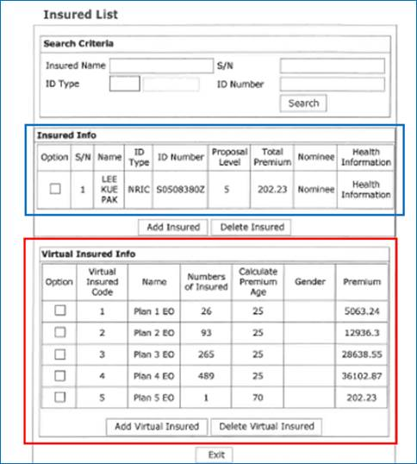
...
 | Maturing Amount

 | No of Months Outstanding

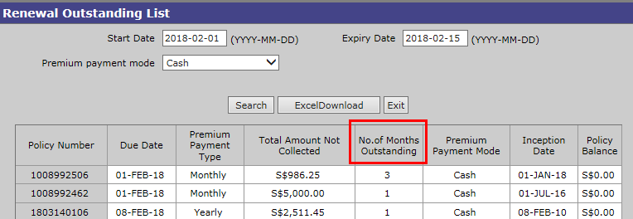

 | No of Months Due and Unsuccessful Reason
...
 | Emma 180510:
 | For #c, follow the same rule for Channel Portal
 | For #d, follow the same rule for Channel Portal
 | For #e, remove the product limitation for Channel Portal
 | For #f, follow the same rule for Channel Portal.

Group Business Named/Headcount Logic

 | Rachael: Update info into blue box only = named
 | Update info into red box only = headcount
 | Update info into both boxes = combined. For this, policy should be considered as “Headcount”. Only due to exception (exceed age), then members will be administered on named basis.

ebaoGI
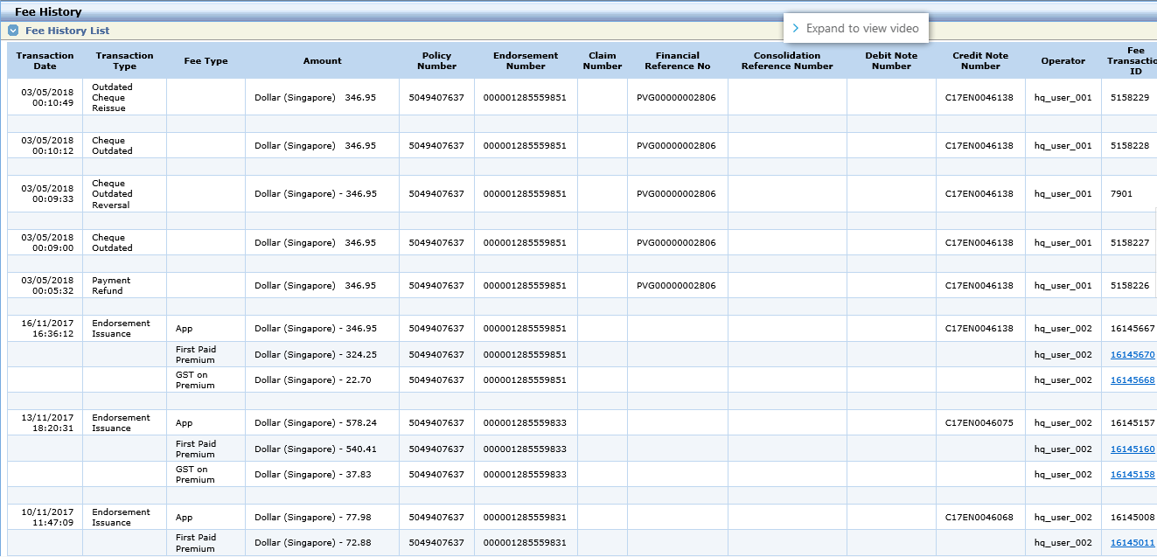
Fee Reversal

CP mockup
Incomeshield

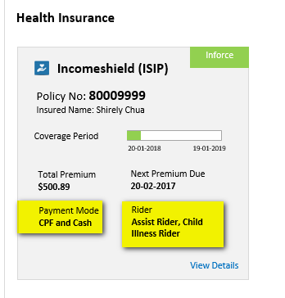

Repeated Cover Type

DPS
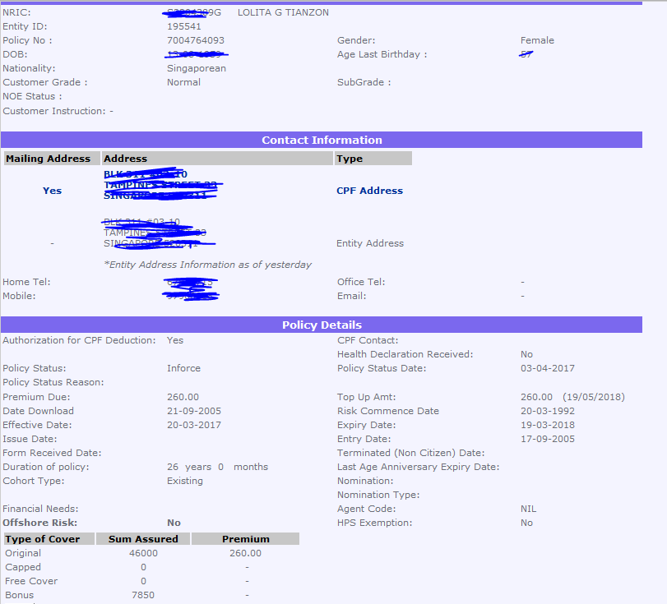
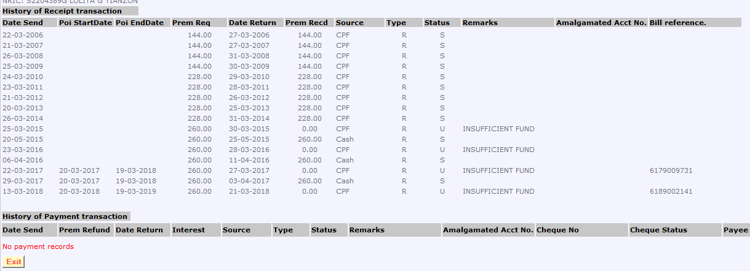
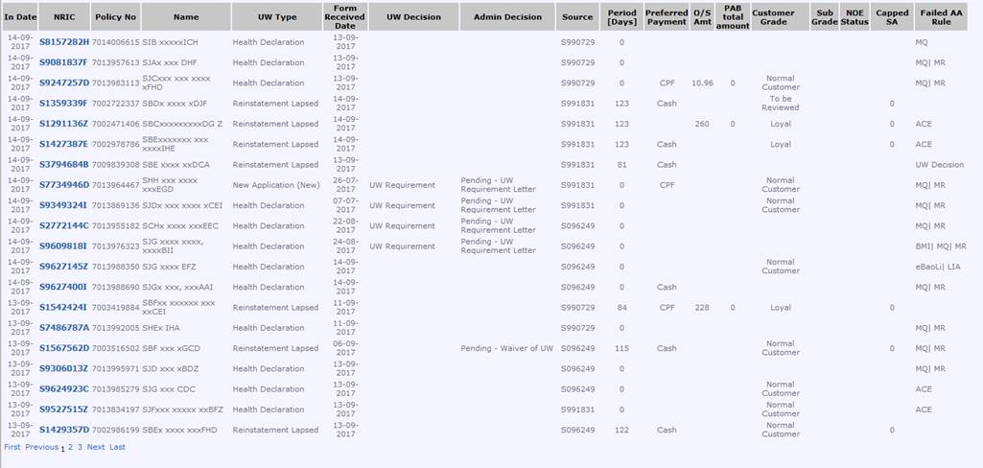
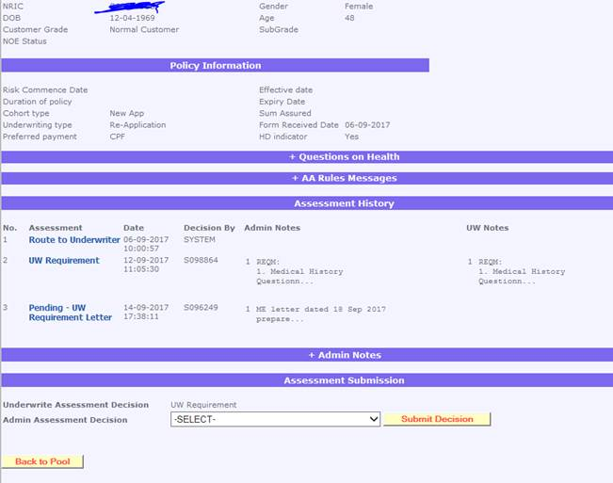
Renewal successful (Partial SA)
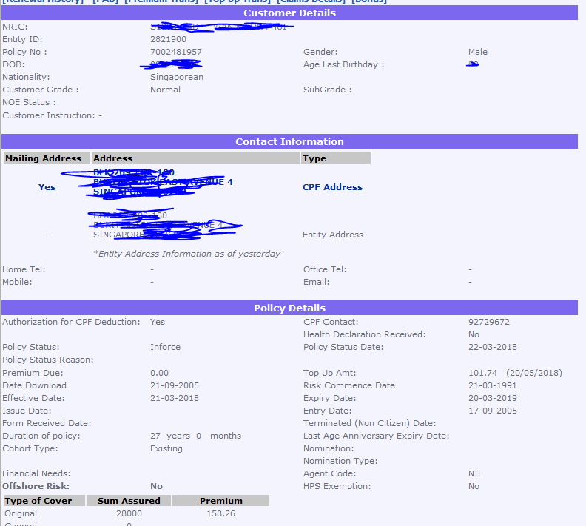

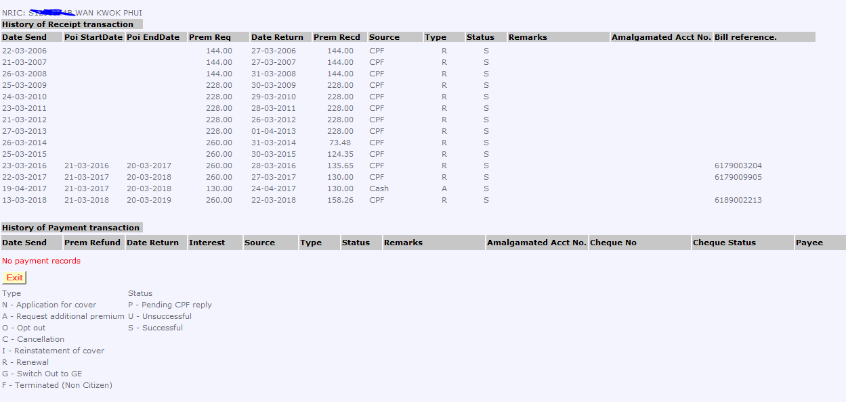

Unsuccessful Renewal

IS
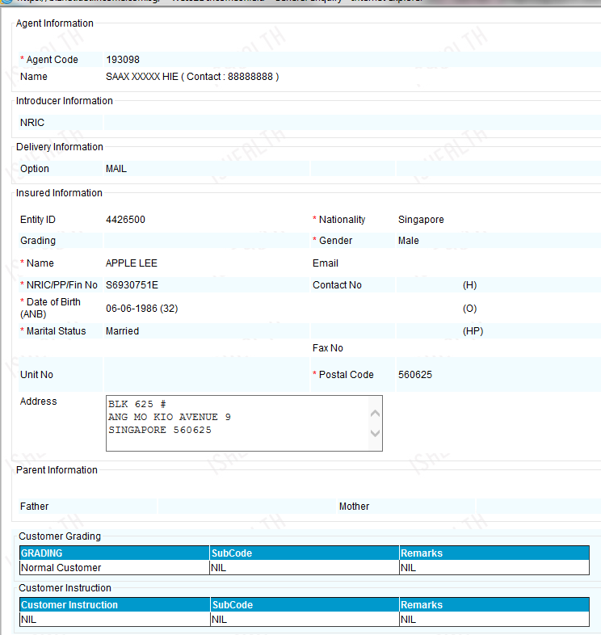

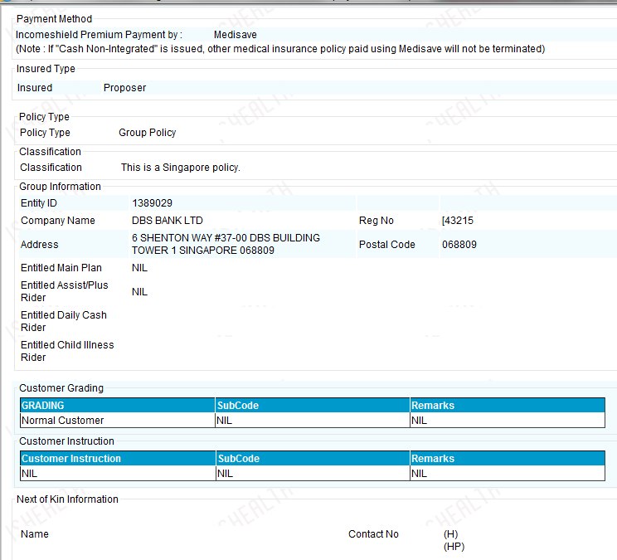

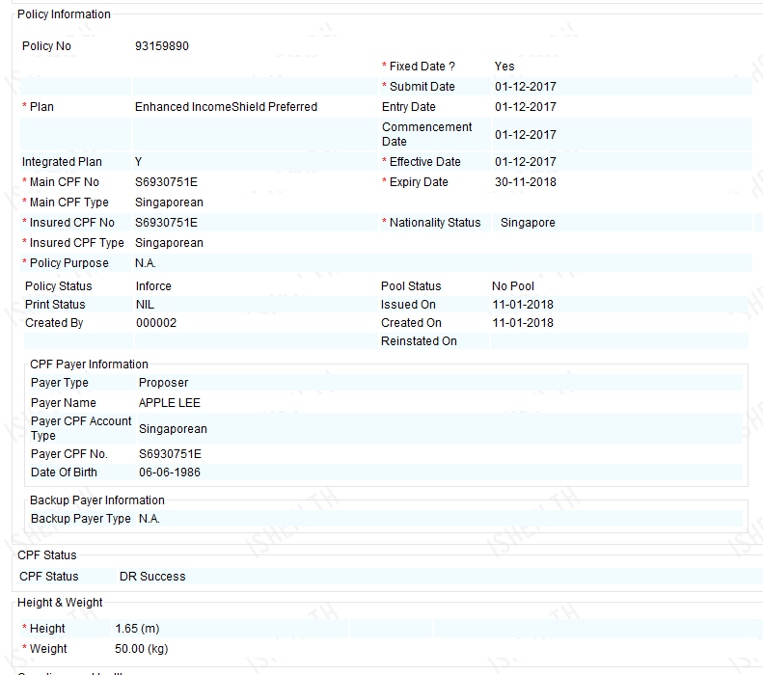

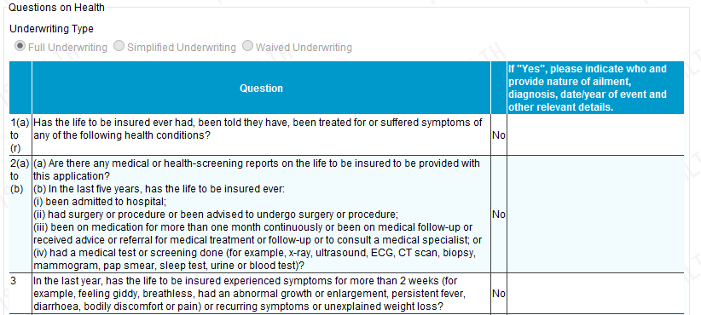

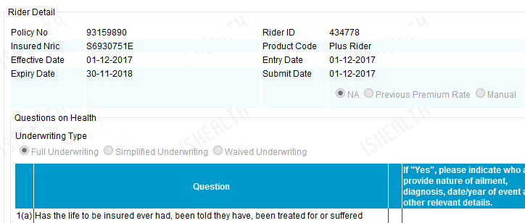

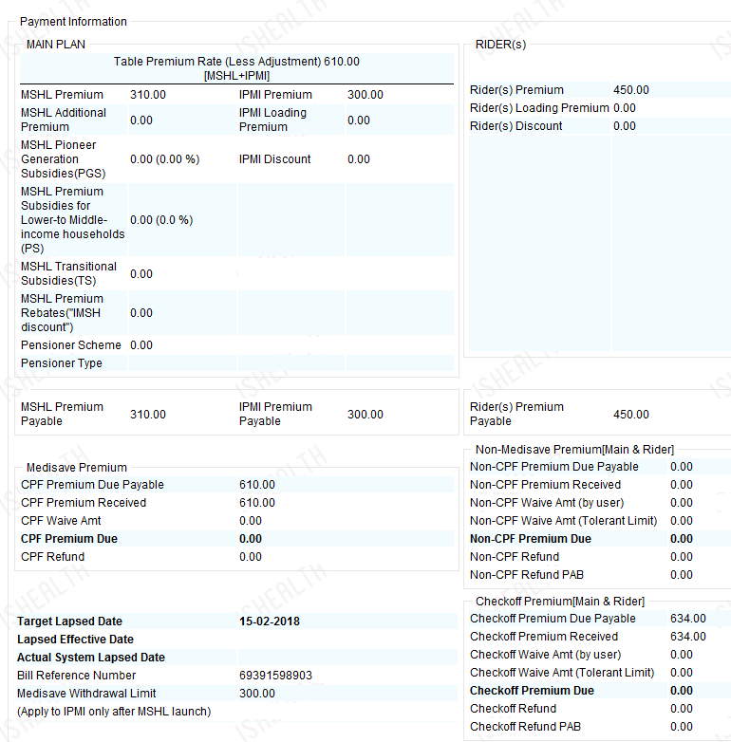

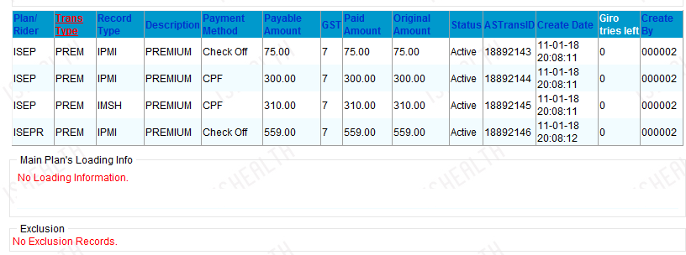

WBIS-Agent

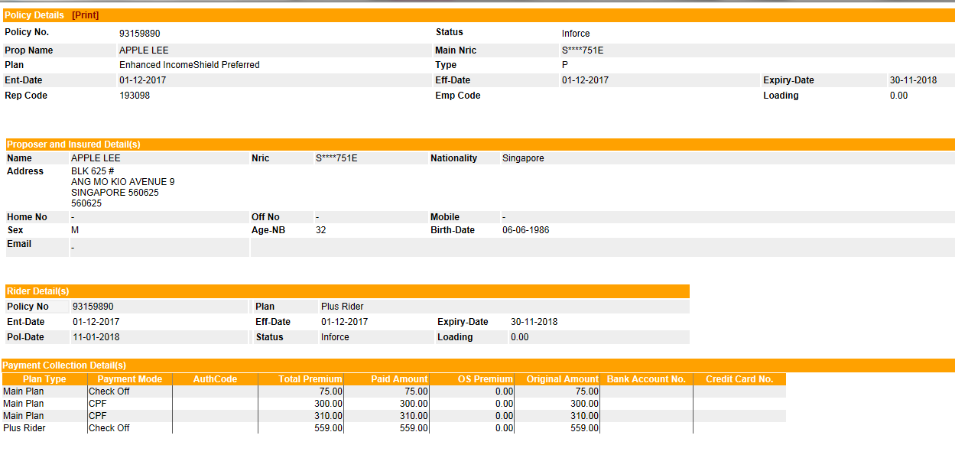

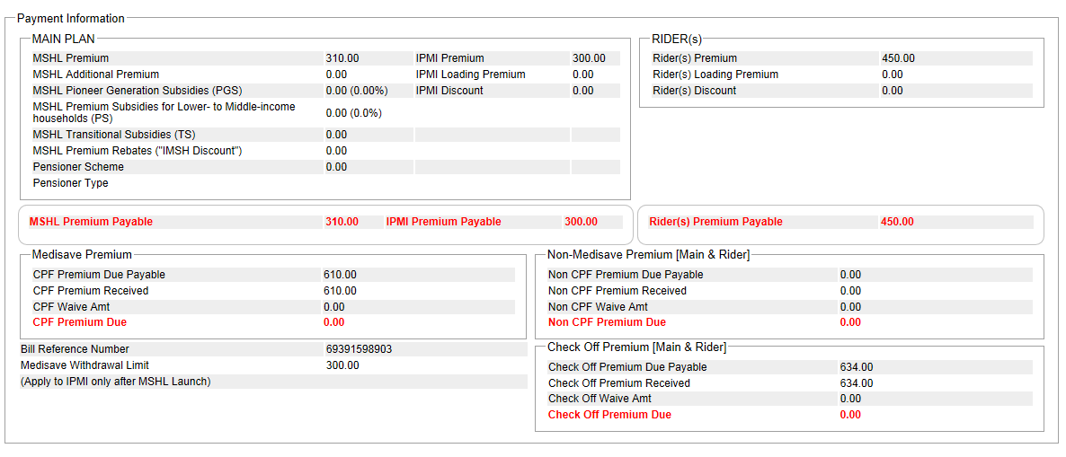
...

WBAS receipt and payment
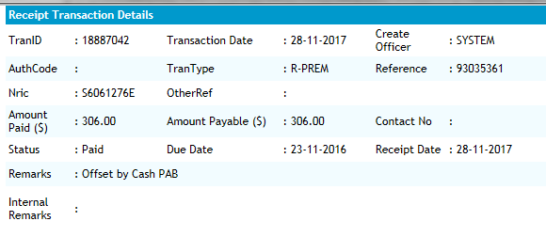

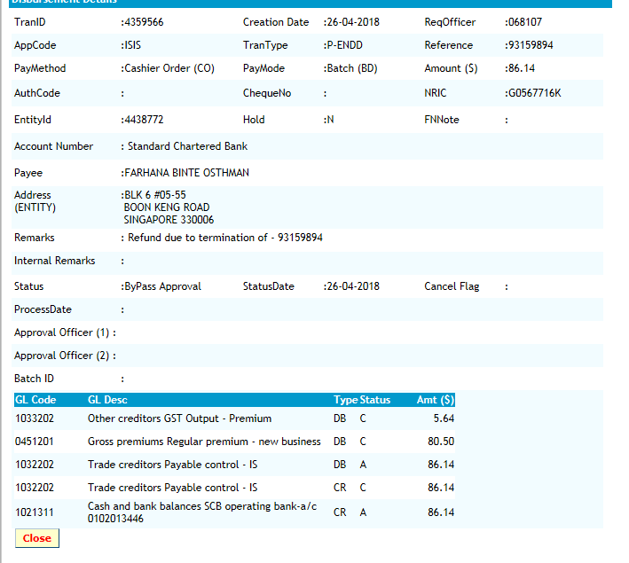

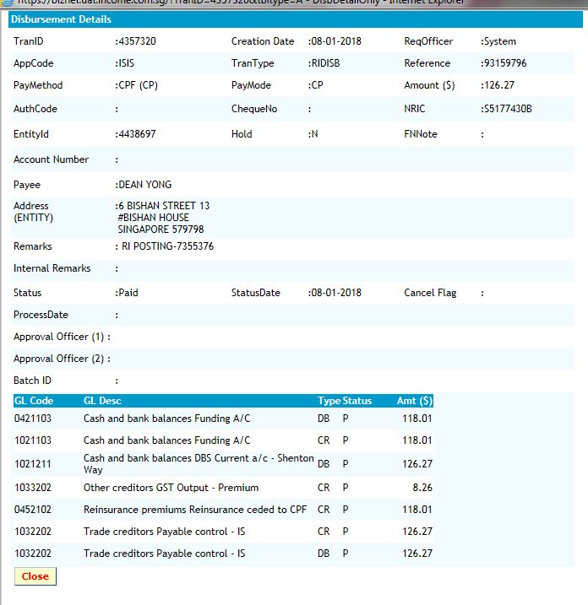

ELS
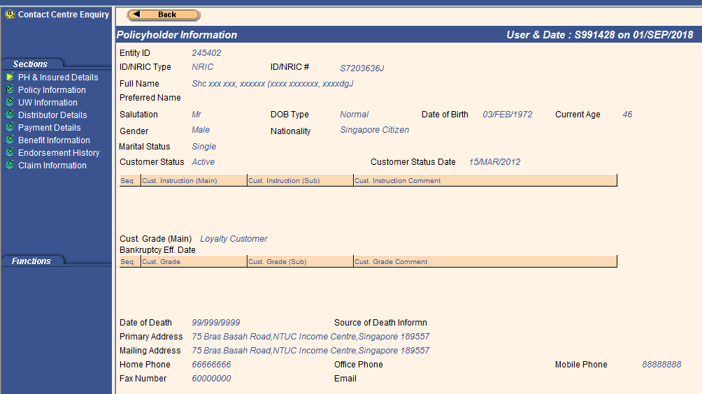

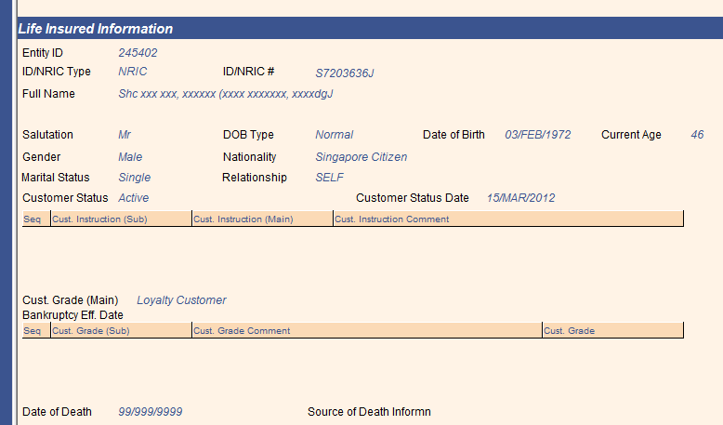

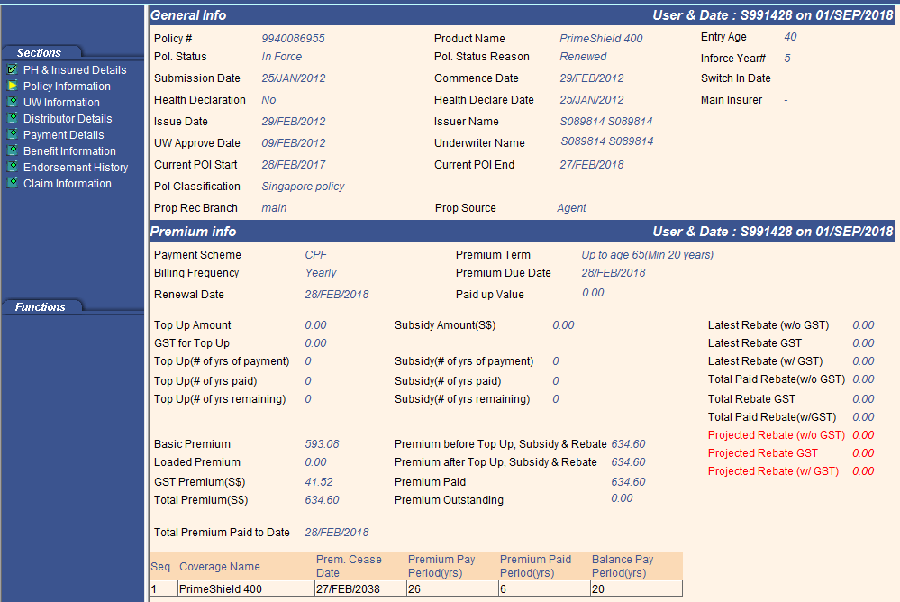

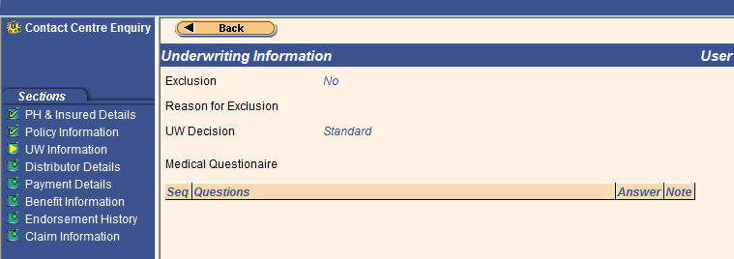

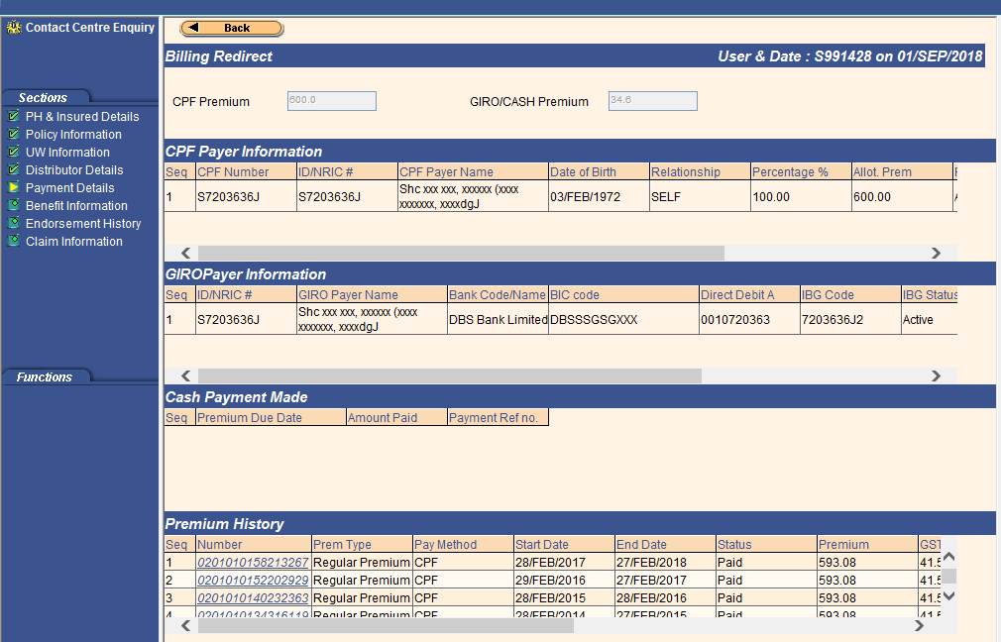

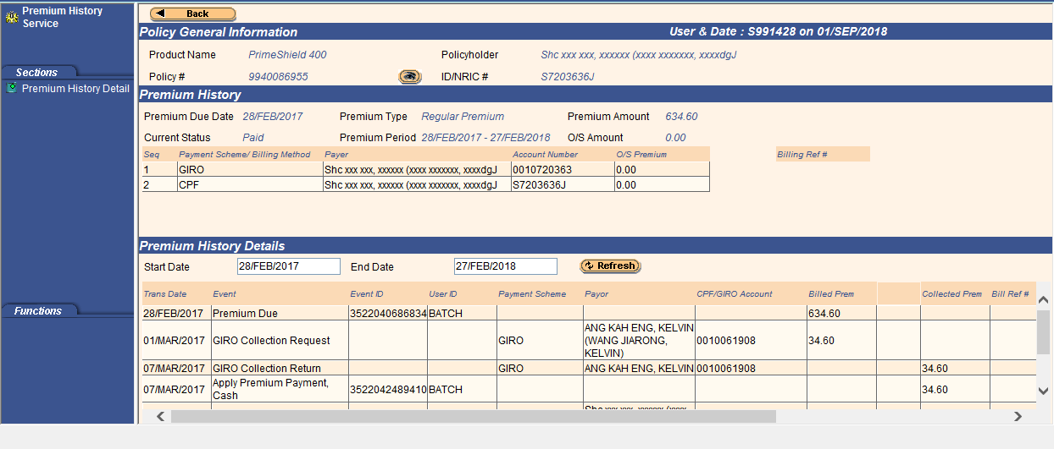

Sample screen with Giro

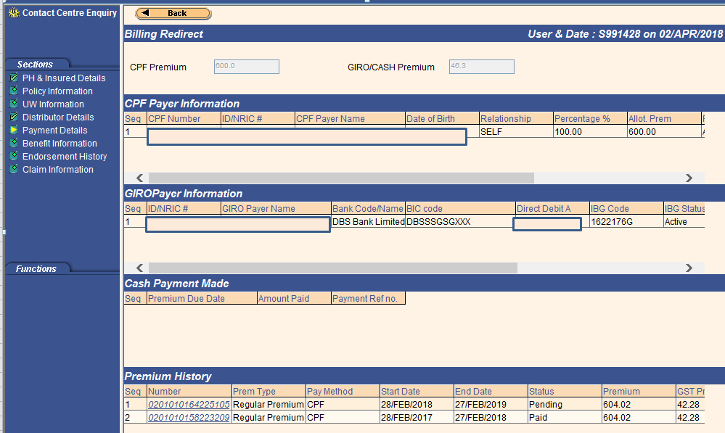

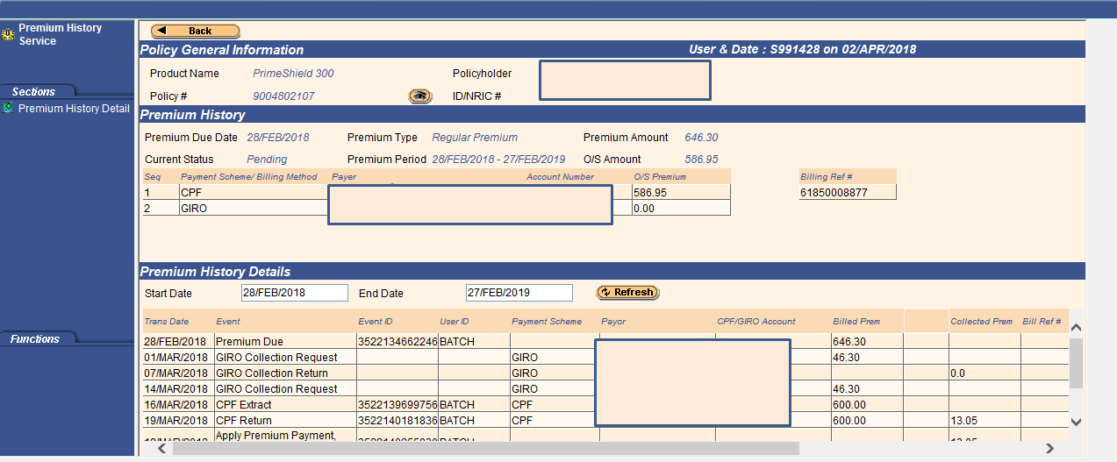

Underwriting Decision

 | Opening Paragaph
...

MHS
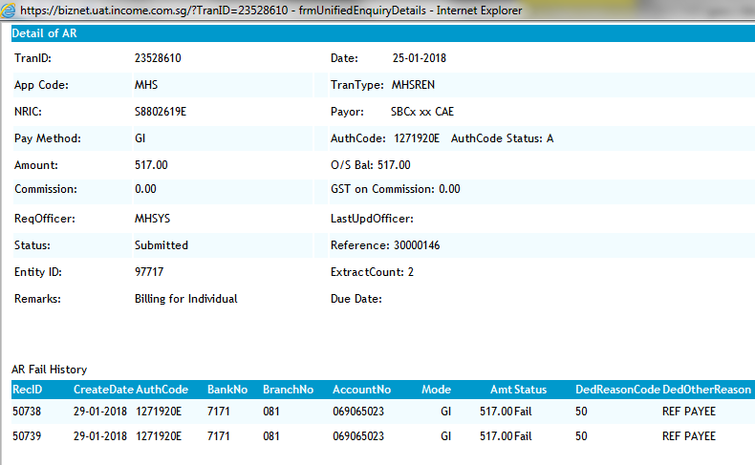
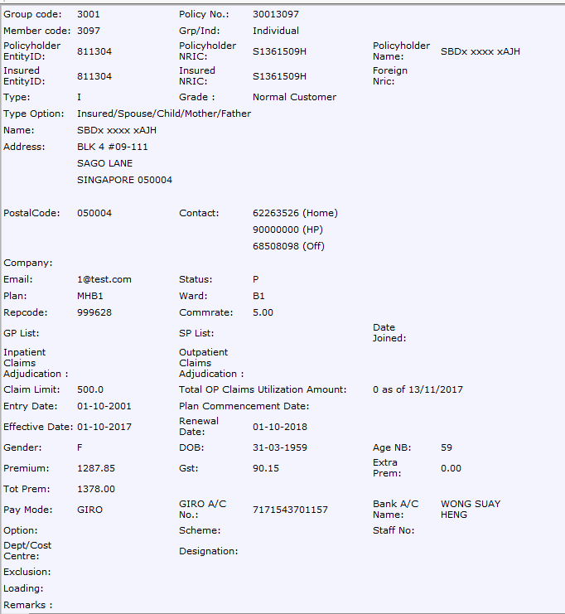

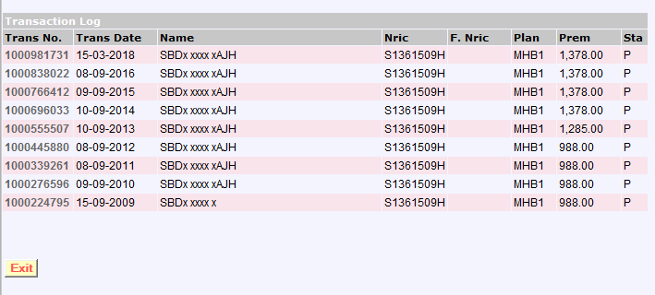

WBAS giro

MCS - A,B,C
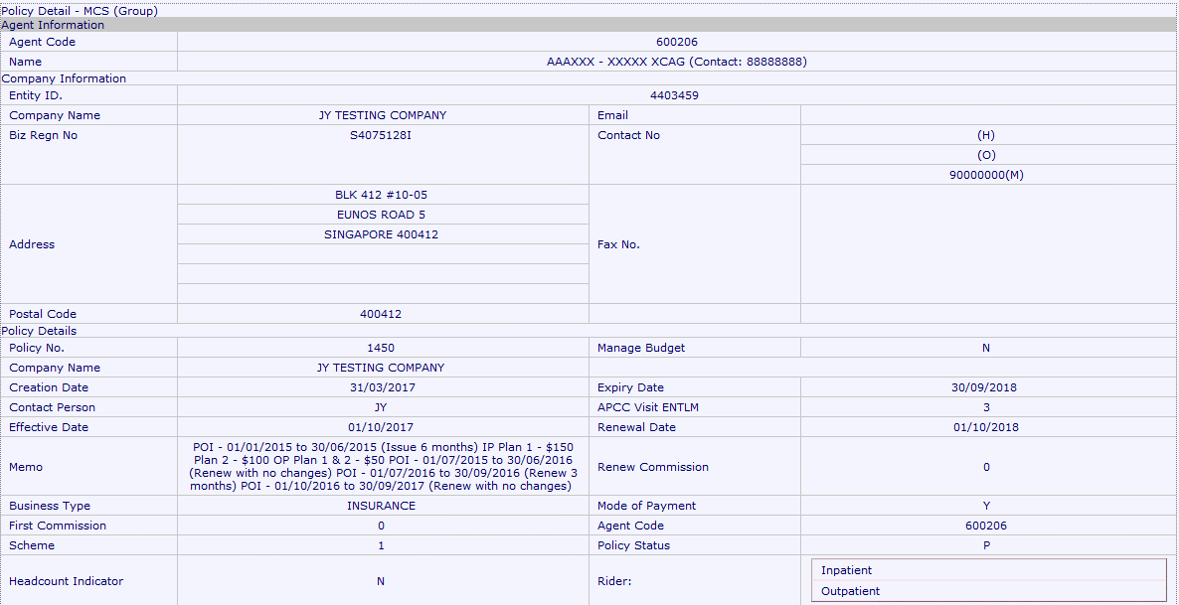
Screenshot (A)
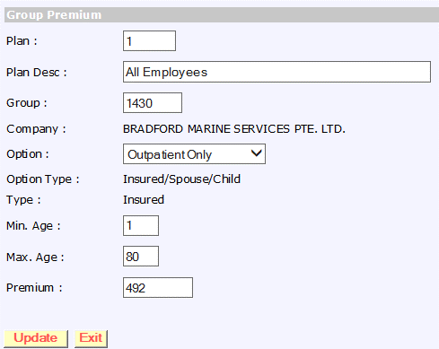

Screenshot (B)

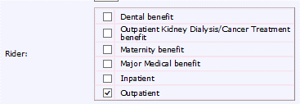

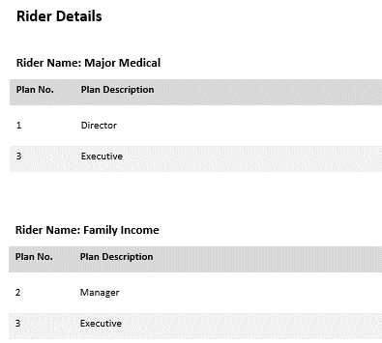

Screenshot (C)

MCS - D
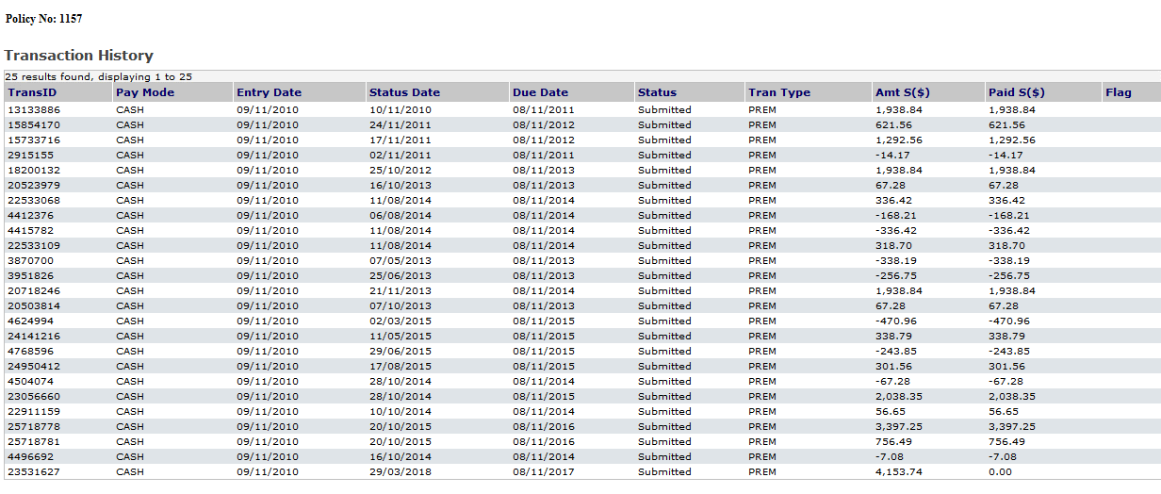
Screenshot (D)

WBIS-Agent -> Renewal

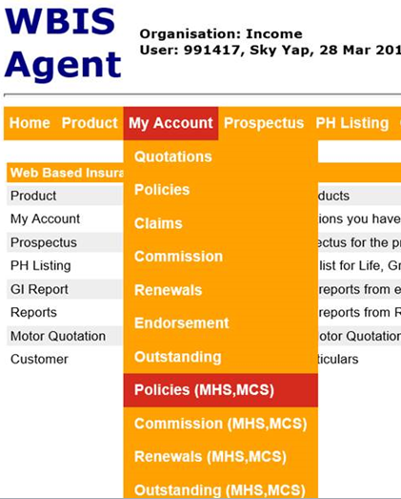
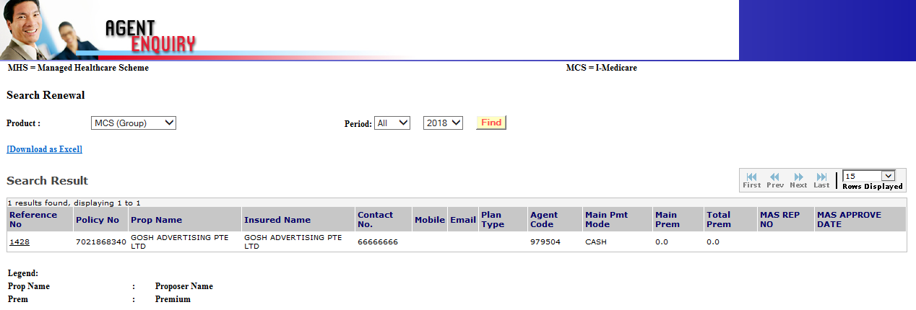

Screenshot (E)
Transaction

